World
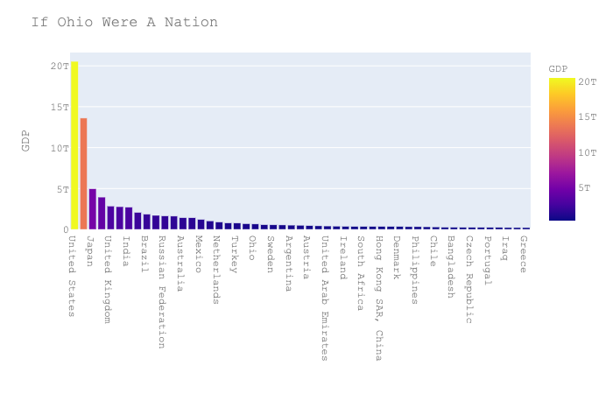
Country Name | 2018 | Source: | https://data.worldbank.org/indicator/NY.GDP.MKTP.CD?view=map
United States | 20,544,343,456,937
China | 13,608,151,864,638
Japan | 4,971,323,079,772
Germany | 3,947,620,162,503
United Kingdom | 2,855,296,731,522
If Ohio Were a Nation...
France | 2,777,535,239,278
India | 2,718,732,231,258
Italy | 2,083,864,259,623
Brazil | 1,868,626,087,908
Canada | 1,713,341,704,877
Russian Federation | 1,657,554,647,150
Korea, Rep. | 1,619,423,701,170
Australia | 1,433,904,348,500
Spain | 1,419,041,949,910
Mexico | 1,220,699,479,846
Indonesia | 1,042,173,300,626
Netherlands | 913,658,465,709
Saudi Arabia | 786,521,831,572
Turkey | 771,350,330,455
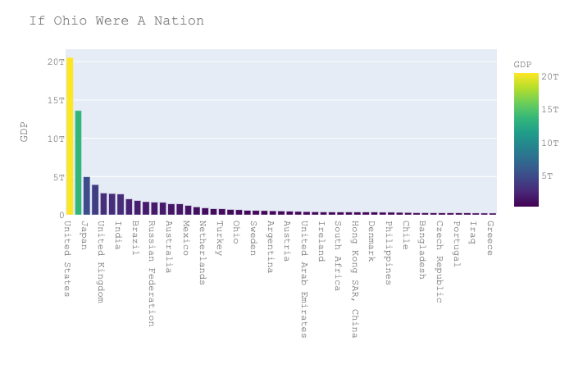
Switzerland | 705,140,354,166
Ohio | 659,729,002,000 | Source: BEA in 2018 $
Poland | 585,663,814,824
Sweden | 556,086,488,937
Belgium | 542,761,092,103
Argentina | 519,871,519,808
Thailand | 504,992,757,705
Austria | 455,285,818,035
Norway | 434,166,615,432
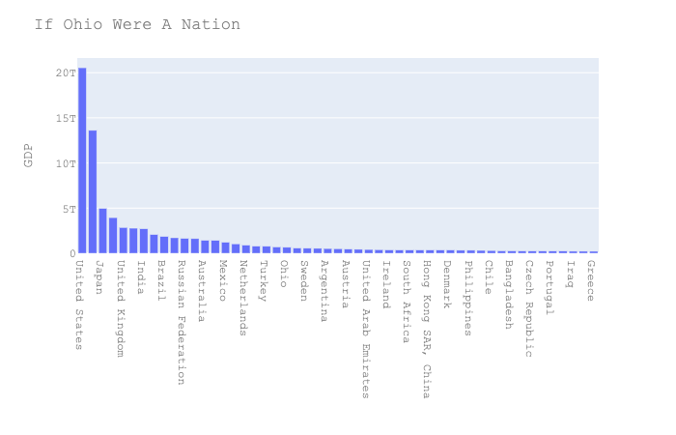
United Arab Emirates | 414,178,942,592
Nigeria | 397,269,616,081
Ireland | 382,487,490,532
Israel | 370,587,977,154
South Africa | 368,288,939,768
Singapore | 364,156,657,770
Hong Kong SAR, China | 362,682,018,243
Malaysia | 358,581,943,446
Denmark | 355,675,329,086
Colombia | 331,047,040,088
Philippines | 330,910,343,611
Pakistan | 314,588,210,501
Chile | 298,231,133,533
Finland | 276,743,120,516
Bangladesh | 274,024,958,966
Egypt, Arab Rep. | 250,894,760,351
Czech Republic | 245,225,882,903
Vietnam | 245,213,686,369
Portugal | 240,674,524,464
Romania | 239,552,516,744
Iraq | 224,228,010,478
Peru | 222,044,970,486
Greece | 218,031,844,584
New Zealand | 204,923,917,869
Qatar | 191,362,087,912
Kazakhstan | 179,339,994,859
Algeria | 173,757,952,824
Hungary | 157,882,912,778
Kuwait | 140,645,364,238
Ukraine | 130,832,374,405
Morocco | 117,921,394,402
Ecuador | 108,398,058,000
Slovak Republic | 105,904,632,156
Angola | 105,750,987,619
Puerto Rico | 101,130,900,000
Cuba | 100,023,000,000
Sri Lanka | 88,900,770,858
Kenya | 87,908,262,520
Dominican Republic | 85,555,390,387
Ethiopia | 84,355,604,753
Oman | 79,276,723,017
Guatemala | 78,460,447,920
Myanmar | 71,214,803,378
Luxembourg | 70,885,325,883
Ghana | 65,556,464,048
Bulgaria | 65,132,951,116
Panama | 65,055,100,000
Croatia | 60,971,699,315
Costa Rica | 60,130,106,116
Belarus | 59,662,495,092
Uruguay | 59,596,885,024
Tanzania | 58,001,200,572
Lebanon | 56,639,155,556
Macao SAR, China | 55,084,050,790
Slovenia | 54,007,972,106
Lithuania | 53,429,066,429
Serbia | 50,597,289,147
Uzbekistan | 50,499,921,558
Libya | 48,364,208,571
Congo, Dem. Rep. | 47,227,535,291
Azerbaijan | 46,939,529,412
Cote d'Ivoire | 43,007,047,822
Jordan | 42,231,295,775
Sudan | 40,851,536,134
Turkmenistan | 40,761,142,857
Paraguay | 40,496,953,779
Bolivia | 40,287,647,757
Tunisia | 39,871,132,268
Cameroon | 38,675,205,293
Bahrain | 37,746,196,809
Latvia | 34,409,229,178
Zimbabwe | 31,000,519,447
Estonia | 30,732,144,529
Nepal | 29,040,398,982
Uganda | 27,461,440,192
Yemen, Rep. | 26,914,402,224
Zambia | 26,720,073,436
El Salvador | 26,057,000,000
Iceland | 25,878,475,760
Cyprus | 24,961,988,663
Cambodia | 24,542,474,061
Senegal | 24,129,599,552
Honduras | 23,969,890,431
Trinidad and Tobago | 23,808,146,748
Papua New Guinea | 23,497,607,690
Bosnia and Herzegovina | 20,161,865,419
Afghanistan | 19,362,969,582
Botswana | 18,616,018,903
Lao PDR | 17,953,786,416
Georgia | 17,599,660,629
Mali | 17,163,432,832
Gabon | 16,853,589,311
Jamaica | 15,713,908,816
Albania | 15,102,500,898
Mozambique | 14,717,223,207
West Bank and Gaza | 14,615,900,000
Malta | 14,553,422,929
Namibia | 14,521,711,634
Mauritius | 14,220,348,673
Burkina Faso | 14,124,775,069
Madagascar | 13,853,432,868
Brunei Darussalam | 13,567,351,175
Equatorial Guinea | 13,432,377,050
Nicaragua | 13,117,845,417
Mongolia | 13,066,749,138
North Macedonia | 12,672,131,053
Armenia | 12,433,089,919
Bahamas, The | 12,424,500,000
Moldova | 11,443,671,436
Chad | 11,273,115,239
Congo, Rep. | 11,263,682,694
Guinea | 10,907,214,994
Pacific island small states | 10,381,220,343
Benin | 10,354,274,635
Haiti | 9,658,721,169
Rwanda | 9,508,715,596
Niger | 9,290,938,457
Kyrgyz Republic | 8,092,836,609
Kosovo | 7,938,990,793
Tajikistan | 7,522,947,810
Monaco | 7,184,844,193
Malawi | 7,064,971,176
Guam | 5,920,000,000
Fiji | 5,536,759,659
Montenegro | 5,504,166,667
Togo | 5,358,722,983
Maldives | 5,327,457,150
Mauritania | 5,234,817,927
Barbados | 5,145,000,000
Somalia | 4,720,727,278
Eswatini | 4,710,618,472
Sierra Leone | 4,085,114,794
Guyana | 3,878,662,621
Suriname | 3,590,753,769
Liberia | 3,264,000,000
Andorra | 3,236,543,909
Curacao | 3,127,908,038
Burundi | 3,036,931,818
Djibouti | 2,955,912,228
Lesotho | 2,738,786,278
Timor-Leste | 2,581,000,000
Bhutan | 2,534,965,163
Central African Republic | 2,219,894,702
Cabo Verde | 1,976,814,277
St. Lucia | 1,921,848,222
Belize | 1,871,203,164
Gambia, The | 1,632,823,199
Antigua and Barbuda | 1,610,574,074
Seychelles | 1,590,180,446
Guinea-Bissau | 1,458,156,026
Solomon Islands | 1,395,608,472
Northern Mariana Islands | 1,323,000,000
Grenada | 1,185,925,926
Comoros | 1,177,955,049
Turks and Caicos Islands | 1,022,312,010
St. Kitts and Nevis | 1,010,822,222
Vanuatu | 914,301,119
Samoa | 820,491,798
St. Vincent and the Grenadines | 811,300,000
American Samoa | 636,000,000
Dominica | 550,892,593
Tonga | 450,353,314
Sao Tome and Principe | 422,296,762
Micronesia, Fed. Sts. | 401,932,279
Palau | 283,994,900
Marshall Islands | 221,278,000
Kiribati | 188,284,519
Nauru | 125,628,504
Tuvalu | 42,587,778

Total Real GDP State
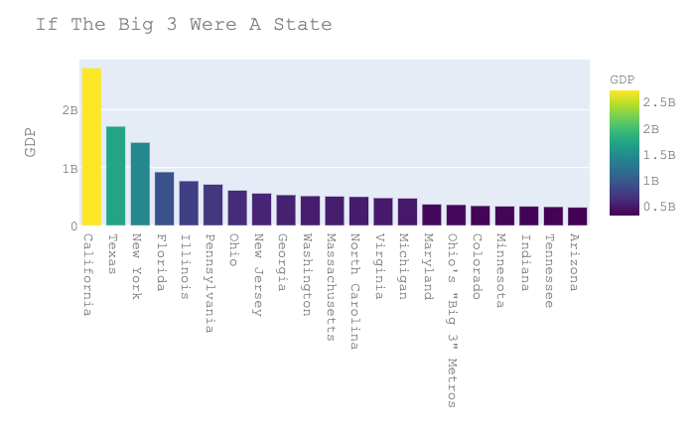
State | GDP
California | $2,721,651,005 | 1
Texas | $1,712,764,025 | 2
New York | $1,435,636,154 | 3
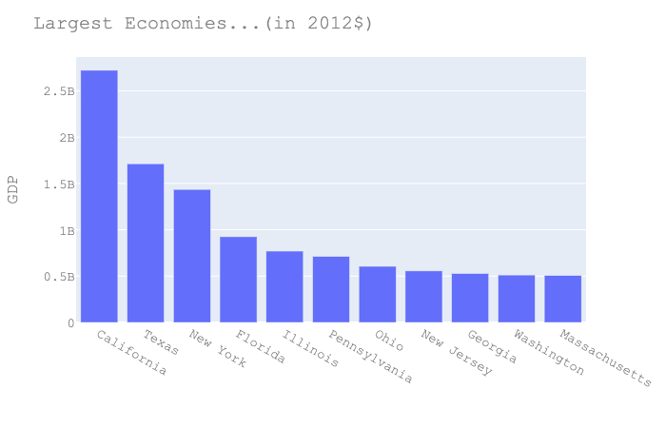
Florida | $924,873,329 | 4
Illinois | $769,800,594 | 5
Pennsylvania | $711,822,173 | 6
Largest State Economies... (in 2012$)
Ohio | $605,394,561 | 7
New Jersey | $555,755,102 | 8
Georgia | $528,998,898 | 9
Washington | $511,672,438 | 10
Massachusetts | $506,072,766 | 11
North Carolina | $497,331,293 | 12
Virginia | $477,005,723 | 13
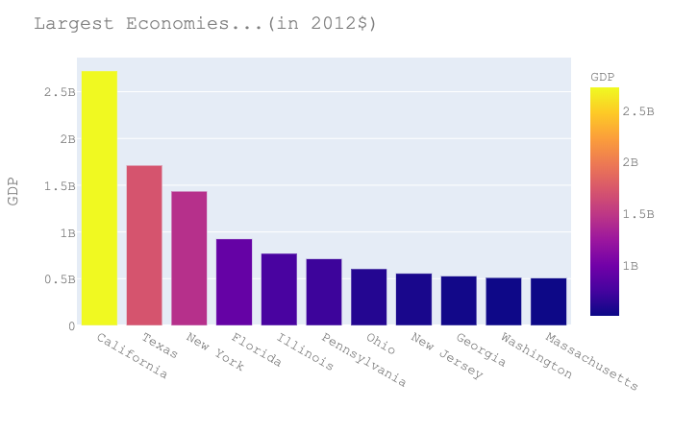
Michigan | $470,529,220 | 14
Maryland | $368,860,199 | 15
Ohio's "Big 3" Metros | $358,950,461
Colorado | $341,076,739 | 16
If the Big 3 were a State…
Minnesota | $333,919,546 | 17
Indiana | $329,298,827 | 18
Tennessee | $323,674,896 | 19
Arizona | $311,705,618 | 20
Wisconsin | $301,622,690 | 21
Missouri | $284,924,112 | 22
Connecticut | $244,925,749 | 23
Ohio's "Big 3" Counties | $242,192,370
Louisiana | $237,372,168
Oregon | $216,561,514
South Carolina | $207,202,634
Alabama | $198,435,935
Oklahoma | $196,524,608
Kentucky | $187,215,545
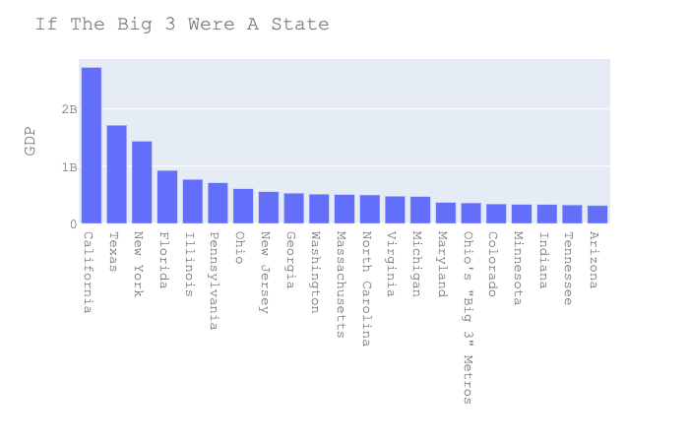
Iowa | $172,071,984
Utah | $158,799,690
Kansas | $154,582,685
Nevada | $149,779,867
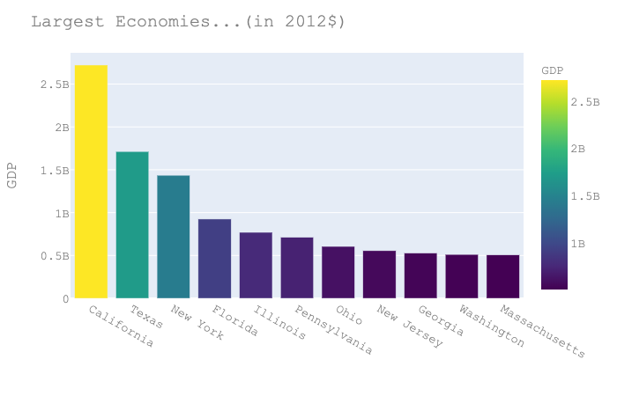
Arkansas | $117,293,783
Nebraska | $114,169,981
Mississippi | $102,837,396
New Mexico | $93,604,628
Hawaii | $82,651,901
New Hampshire | $75,833,174
West Virginia | $71,481,396
Idaho | $70,500,379
Delaware | $62,764,748
Maine | $57,450,447
Rhode Island | $53,624,875
Alaska | $53,092,380
North Dakota | $52,872,991
South Dakota | $46,490,474
Montana | $46,219,700
Wyoming | $38,040,029
Vermont | $29,750,259

Total Real GDP MSA
GeoName | 2018
New York-Newark-Jersey City, NY-NJ-PA (Metropolitan Statistical Area) | $1,532,202,227
Los Angeles-Long Beach-Anaheim, CA (Metropolitan Statistical Area) | $941,064,112
Chicago-Naperville-Elgin, IL-IN-WI (Metropolitan Statistical Area) | $611,591,128
San Francisco-Oakland-Berkeley, CA (Metropolitan Statistical Area) | $497,195,398
Washington-Arlington-Alexandria, DC-VA-MD-WV (Metropolitan Statistical Area) * | $484,792,706
Largest 40 economies nationally by MSA...
Dallas-Fort Worth-Arlington, TX (Metropolitan Statistical Area) | $468,918,434
Houston-The Woodlands-Sugar Land, TX (Metropolitan Statistical Area) | $445,335,360
Boston-Cambridge-Newton, MA-NH (Metropolitan Statistical Area) | $412,855,824
Philadelphia-Camden-Wilmington, PA-NJ-DE-MD (Metropolitan Statistical Area) | $398,674,377
Atlanta-Sandy Springs-Alpharetta, GA (Metropolitan Statistical Area) | $357,308,437
Seattle-Tacoma-Bellevue, WA (Metropolitan Statistical Area) | $355,662,749
San Jose-Sunnyvale-Santa Clara, CA (Metropolitan Statistical Area) | $318,998,478
Miami-Fort Lauderdale-Pompano Beach, FL (Metropolitan Statistical Area) | $315,031,150
Detroit-Warren-Dearborn, MI (Metropolitan Statistical Area) | $238,679,503
Minneapolis-St. Paul-Bloomington, MN-WI (Metropolitan Statistical Area) | $237,140,794
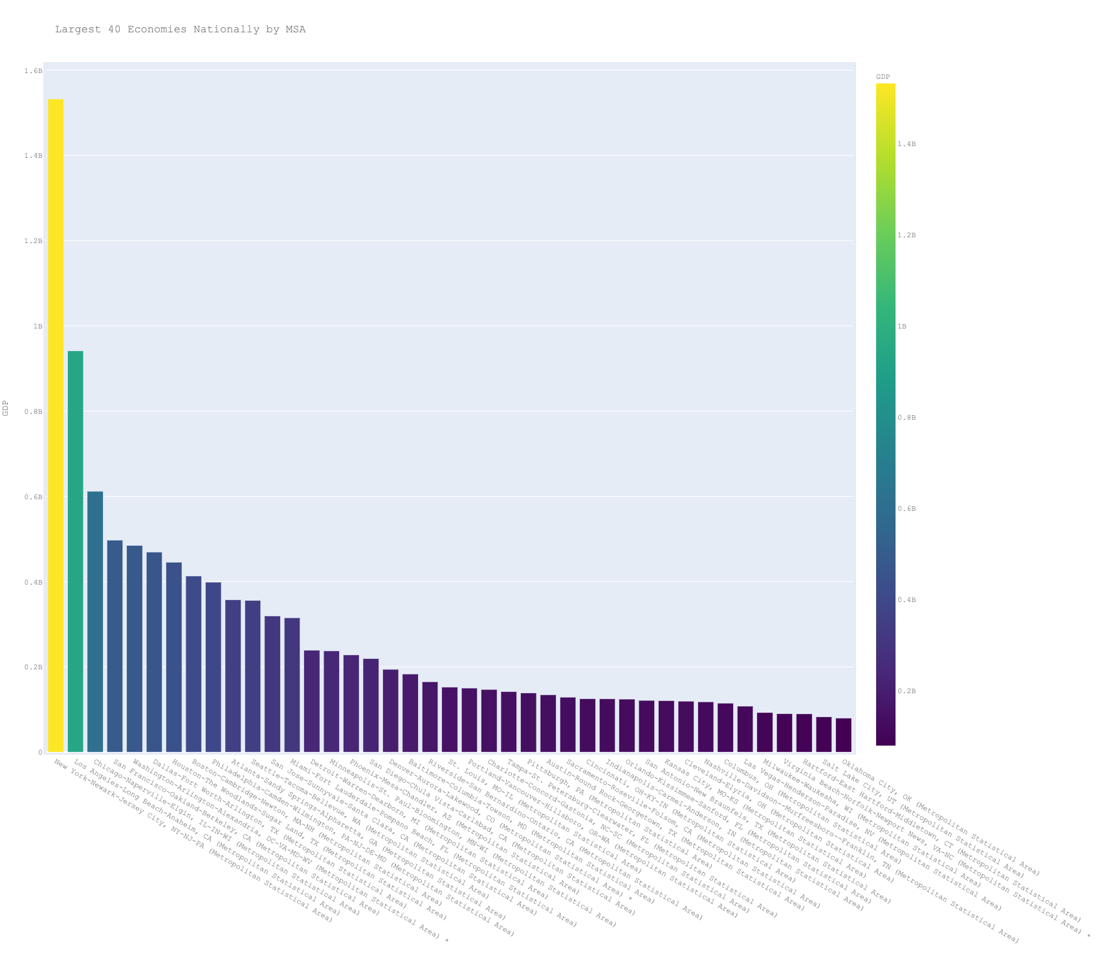
Phoenix-Mesa-Chandler, AZ (Metropolitan Statistical Area) | $227,741,337
San Diego-Chula Vista-Carlsbad, CA (Metropolitan Statistical Area) | $219,361,505
Denver-Aurora-Lakewood, CO (Metropolitan Statistical Area) * | $193,965,928
Baltimore-Columbia-Towson, MD (Metropolitan Statistical Area) | $183,093,526
Riverside-San Bernardino-Ontario, CA (Metropolitan Statistical Area) | $164,892,302
St. Louis, MO-IL (Metropolitan Statistical Area) | $152,060,042
Portland-Vancouver-Hillsboro, OR-WA (Metropolitan Statistical Area) | $150,033,141
Charlotte-Concord-Gastonia, NC-SC (Metropolitan Statistical Area) | $146,813,931
Tampa-St. Petersburg-Clearwater, FL (Metropolitan Statistical Area) | $141,904,761
Pittsburgh, PA (Metropolitan Statistical Area) | $138,410,497
Austin-Round Rock-Georgetown, TX (Metropolitan Statistical Area) | $134,416,765 | Cincinnati, OH-KY-IN (Metropolitan Statistical Area) | $124,948,052
Sacramento-Roseville-Folsom, CA (Metropolitan Statistical Area) | $128,649,231 | Cleveland-Elyria, OH (Metropolitan Statistical Area) | $119,327,107
Cincinnati, OH-KY-IN (Metropolitan Statistical Area) | $124,948,052 | Columbus, OH (Metropolitan Statistical Area) | $114,675,302
Indianapolis-Carmel-Anderson, IN (Metropolitan Statistical Area) | $124,667,768 | Big 3 | $358,950,461
Orlando-Kissimmee-Sanford, FL (Metropolitan Statistical Area) | $124,173,982
San Antonio-New Braunfels, TX (Metropolitan Statistical Area) | $121,139,794
Kansas City, MO-KS (Metropolitan Statistical Area) | $120,352,988
Cleveland-Elyria, OH (Metropolitan Statistical Area) | $119,327,107
Nashville-Davidson--Murfreesboro--Franklin, TN (Metropolitan Statistical Area) | $117,839,496
Columbus, OH (Metropolitan Statistical Area) | $114,675,302
Las Vegas-Henderson-Paradise, NV (Metropolitan Statistical Area) | $107,622,947
Milwaukee-Waukesha, WI (Metropolitan Statistical Area) | $92,558,816
Virginia Beach-Norfolk-Newport News, VA-NC (Metropolitan Statistical Area) * | $89,775,562
Hartford-East Hartford-Middletown, CT (Metropolitan Statistical Area) | $89,529,174
Salt Lake City, UT (Metropolitan Statistical Area) | $82,431,896
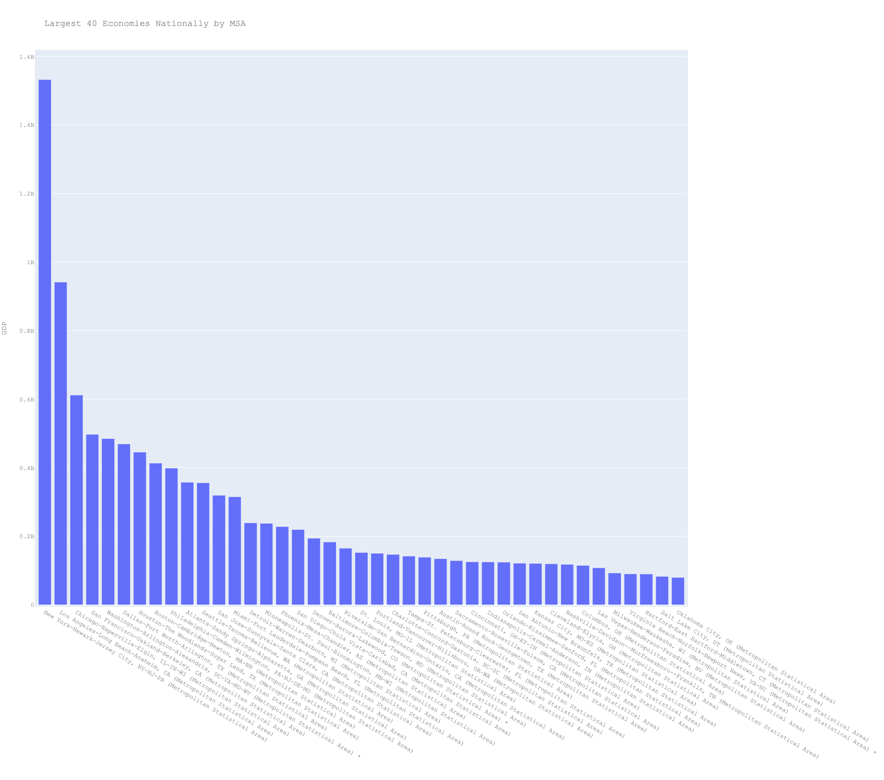
Oklahoma City, OK (Metropolitan Statistical Area) | $79,667,931
Bridgeport-Stamford-Norwalk, CT (Metropolitan Statistical Area) | $77,951,236
Providence-Warwick, RI-MA (Metropolitan Statistical Area) | $77,516,675
Raleigh-Cary, NC (Metropolitan Statistical Area) | $76,127,645
Richmond, VA (Metropolitan Statistical Area) * | $75,517,193
New Orleans-Metairie, LA (Metropolitan Statistical Area) | $74,217,802
Jacksonville, FL (Metropolitan Statistical Area) | $73,723,680
Memphis, TN-MS-AR (Metropolitan Statistical Area) | $67,981,434
Louisville/Jefferson County, KY-IN (Metropolitan Statistical Area) | $64,061,796
Urban Honolulu, HI (Metropolitan Statistical Area) | $61,095,819
Buffalo-Cheektowaga, NY (Metropolitan Statistical Area) | $60,321,806
Rochester, NY (Metropolitan Statistical Area) | $56,811,269
Omaha-Council Bluffs, NE-IA (Metropolitan Statistical Area) | $56,187,854
Birmingham-Hoover, AL (Metropolitan Statistical Area) | $55,910,633
Grand Rapids-Kentwood, MI (Metropolitan Statistical Area) | $55,253,905
Tulsa, OK (Metropolitan Statistical Area) | $53,448,340
Oxnard-Thousand Oaks-Ventura, CA (Metropolitan Statistical Area) | $53,439,240
Albany-Schenectady-Troy, NY (Metropolitan Statistical Area) | $52,367,618
Baton Rouge, LA (Metropolitan Statistical Area) | $51,501,574
Bakersfield, CA (Metropolitan Statistical Area) | $49,864,234
Durham-Chapel Hill, NC (Metropolitan Statistical Area) | $48,385,378
New Haven-Milford, CT (Metropolitan Statistical Area) | $48,060,270
Madison, WI (Metropolitan Statistical Area) | $46,529,232
Worcester, MA-CT (Metropolitan Statistical Area) | $45,393,131
Des Moines-West Des Moines, IA (Metropolitan Statistical Area) | $44,481,448
Fresno, CA (Metropolitan Statistical Area) | $43,436,946
Greenville-Anderson, SC (Metropolitan Statistical Area) | $41,116,111
Allentown-Bethlehem-Easton, PA-NJ (Metropolitan Statistical Area) | $40,511,705
Tucson, AZ (Metropolitan Statistical Area) | $40,011,352
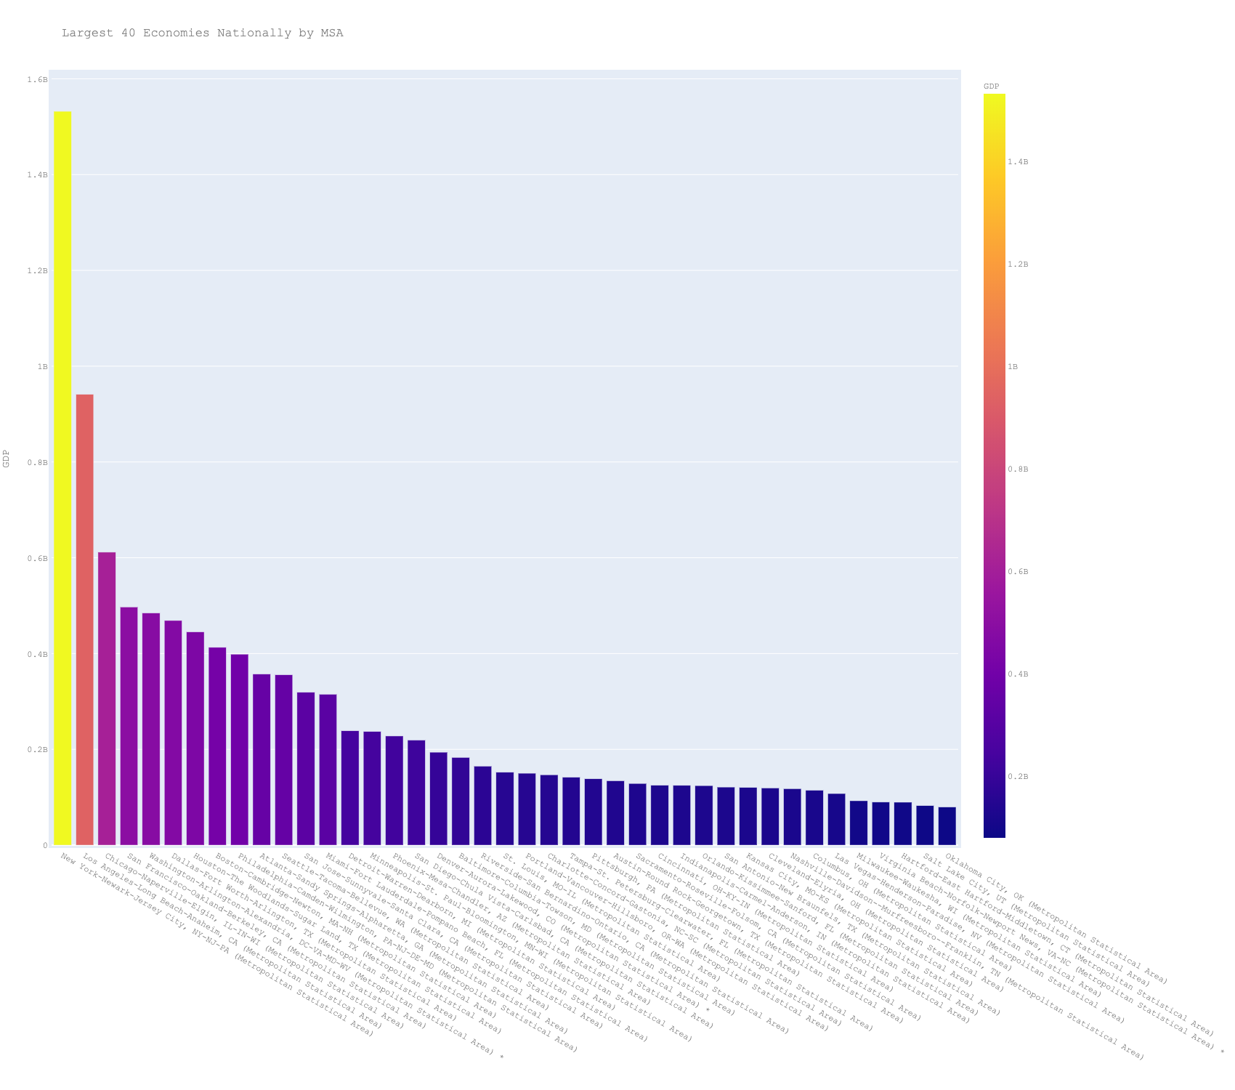
Knoxville, TN (Metropolitan Statistical Area) | $38,756,940
Dayton-Kettering, OH (Metropolitan Statistical Area) | $38,696,669
Albuquerque, NM (Metropolitan Statistical Area) | $38,444,417
Columbia, SC (Metropolitan Statistical Area) | $38,443,541
Greensboro-High Point, NC (Metropolitan Statistical Area) | $38,301,038
Charleston-North Charleston, SC (Metropolitan Statistical Area) | $37,696,866
Syracuse, NY (Metropolitan Statistical Area) | $36,718,553
Harrisburg-Carlisle, PA (Metropolitan Statistical Area) | $35,907,508
Midland, TX (Metropolitan Statistical Area) | $35,002,235
Toledo, OH (Metropolitan Statistical Area) | $34,845,826
Little Rock-North Little Rock-Conway, AR (Metropolitan Statistical Area) | $34,579,355
Colorado Springs, CO (Metropolitan Statistical Area) | $34,207,716
Akron, OH (Metropolitan Statistical Area) | $32,912,839
Wichita, KS (Metropolitan Statistical Area) | $32,832,296
Boise City, ID (Metropolitan Statistical Area) | $31,127,923
Springfield, MA (Metropolitan Statistical Area) | $30,643,846
North Port-Sarasota-Bradenton, FL (Metropolitan Statistical Area) | $30,413,978
Winston-Salem, NC (Metropolitan Statistical Area) | $29,528,114
Stockton, CA (Metropolitan Statistical Area) | $29,257,580
El Paso, TX (Metropolitan Statistical Area) | $29,123,868
Santa Rosa-Petaluma, CA (Metropolitan Statistical Area) | $28,565,621
Trenton-Princeton, NJ (Metropolitan Statistical Area) | $28,459,499
Portland-South Portland, ME (Metropolitan Statistical Area) | $28,249,782
Beaumont-Port Arthur, TX (Metropolitan Statistical Area) | $28,227,410
Poughkeepsie-Newburgh-Middletown, NY (Metropolitan Statistical Area) | $27,992,552
Santa Maria-Santa Barbara, CA (Metropolitan Statistical Area) | $27,855,958
Chattanooga, TN-GA (Metropolitan Statistical Area) | $27,374,748
Cape Coral-Fort Myers, FL (Metropolitan Statistical Area) | $27,046,186
Lancaster, PA (Metropolitan Statistical Area) | $26,442,386
Lexington-Fayette, KY (Metropolitan Statistical Area) | $26,125,987
Scranton--Wilkes-Barre, PA (Metropolitan Statistical Area) | $26,081,343
Ogden-Clearfield, UT (Metropolitan Statistical Area) | $25,916,920
Salinas, CA (Metropolitan Statistical Area) | $25,834,713
Manchester-Nashua, NH (Metropolitan Statistical Area) | $25,514,840
Jackson, MS (Metropolitan Statistical Area) | $25,445,532
Boulder, CO (Metropolitan Statistical Area) * | $25,319,458
Huntsville, AL (Metropolitan Statistical Area) | $24,995,035
Augusta-Richmond County, GA-SC (Metropolitan Statistical Area) | $24,690,650
Provo-Orem, UT (Metropolitan Statistical Area) | $24,664,624
Spokane-Spokane Valley, WA (Metropolitan Statistical Area) | $24,586,426
Reno, NV (Metropolitan Statistical Area) | $24,441,835
Fayetteville-Springdale-Rogers, AR (Metropolitan Statistical Area) | $23,481,798
Palm Bay-Melbourne-Titusville, FL (Metropolitan Statistical Area) | $23,437,467
Vallejo, CA (Metropolitan Statistical Area) | $23,303,994
Modesto, CA (Metropolitan Statistical Area) | $23,160,773
Peoria, IL (Metropolitan Statistical Area) | $22,889,895
Shreveport-Bossier City, LA (Metropolitan Statistical Area) | $22,611,316
Anchorage, AK (Metropolitan Statistical Area) | $22,598,036
Lakeland-Winter Haven, FL (Metropolitan Statistical Area) | $22,483,500
Lansing-East Lansing, MI (Metropolitan Statistical Area) | $22,247,293
Salisbury, MD-DE (Metropolitan Statistical Area) | $22,168,321
Ann Arbor, MI (Metropolitan Statistical Area) | $21,963,864
Lafayette, LA (Metropolitan Statistical Area) | $21,388,685
Corpus Christi, TX (Metropolitan Statistical Area) | $21,384,640
McAllen-Edinburg-Mission, TX (Metropolitan Statistical Area) | $21,017,756
Fort Wayne, IN (Metropolitan Statistical Area) | $20,926,252
Davenport-Moline-Rock Island, IA-IL (Metropolitan Statistical Area) | $20,546,922
Greeley, CO (Metropolitan Statistical Area) * | $20,531,235
Youngstown-Warren-Boardman, OH-PA (Metropolitan Statistical Area) | $20,089,962
Savannah, GA (Metropolitan Statistical Area) | $19,444,860
Fayetteville, NC (Metropolitan Statistical Area) | $19,302,507
Mobile, AL (Metropolitan Statistical Area) | $18,683,075
York-Hanover, PA (Metropolitan Statistical Area) | $18,675,558
Deltona-Daytona Beach-Ormond Beach, FL (Metropolitan Statistical Area) | $18,605,256
Green Bay, WI (Metropolitan Statistical Area) | $18,584,854
Reading, PA (Metropolitan Statistical Area) | $18,443,415
Visalia, CA (Metropolitan Statistical Area) | $18,415,098
Canton-Massillon, OH (Metropolitan Statistical Area) | $18,391,465
Springfield, MO (Metropolitan Statistical Area) | $18,040,656
Asheville, NC (Metropolitan Statistical Area) | $17,970,247
Pensacola-Ferry Pass-Brent, FL (Metropolitan Statistical Area) | $17,968,560
Sioux Falls, SD (Metropolitan Statistical Area) | $17,273,286
Gulfport-Biloxi, MS (Metropolitan Statistical Area) | $17,258,609
Cedar Rapids, IA (Metropolitan Statistical Area) | $17,255,840
Lincoln, NE (Metropolitan Statistical Area) | $17,243,457
Norwich-New London, CT (Metropolitan Statistical Area) | $17,084,801
Killeen-Temple, TX (Metropolitan Statistical Area) | $16,837,964
Fort Collins, CO (Metropolitan Statistical Area) | $16,793,330
San Luis Obispo-Paso Robles, CA (Metropolitan Statistical Area) | $16,536,404
Lake Charles, LA (Metropolitan Statistical Area) | $16,334,545
Tallahassee, FL (Metropolitan Statistical Area) | $16,287,867
Montgomery, AL (Metropolitan Statistical Area) | $16,226,932
Salem, OR (Metropolitan Statistical Area) | $16,156,484
Longview, TX (Metropolitan Statistical Area) | $16,073,025
Evansville, IN-KY (Metropolitan Statistical Area) | $15,955,374
Naples-Marco Island, FL (Metropolitan Statistical Area) | $15,760,299
Port St. Lucie, FL (Metropolitan Statistical Area) | $15,258,742
Roanoke, VA (Metropolitan Statistical Area) * | $15,119,632
Eugene-Springfield, OR (Metropolitan Statistical Area) | $15,067,333
Huntington-Ashland, WV-KY-OH (Metropolitan Statistical Area) | $15,057,783
Myrtle Beach-Conway-North Myrtle Beach, SC-NC (Metropolitan Statistical Area) | $14,851,812
Rockford, IL (Metropolitan Statistical Area) | $14,788,731
Duluth, MN-WI (Metropolitan Statistical Area) | $14,265,083
Hickory-Lenoir-Morganton, NC (Metropolitan Statistical Area) | $14,032,872
Kennewick-Richland, WA (Metropolitan Statistical Area) | $13,934,458
Gainesville, FL (Metropolitan Statistical Area) | $13,930,241
Santa Cruz-Watsonville, CA (Metropolitan Statistical Area) | $13,765,700
South Bend-Mishawaka, IN-MI (Metropolitan Statistical Area) | $13,576,257
Bellingham, WA (Metropolitan Statistical Area) | $13,515,737
Spartanburg, SC (Metropolitan Statistical Area) | $13,481,467
Columbus, GA-AL (Metropolitan Statistical Area) | $13,466,516
Flint, MI (Metropolitan Statistical Area) | $13,455,676
Wilmington, NC (Metropolitan Statistical Area) | $13,438,658
College Station-Bryan, TX (Metropolitan Statistical Area) | $13,169,469
Lubbock, TX (Metropolitan Statistical Area) | $13,091,760
Fargo, ND-MN (Metropolitan Statistical Area) | $13,036,357
Crestview-Fort Walton Beach-Destin, FL (Metropolitan Statistical Area) | $13,028,784
Atlantic City-Hammonton, NJ (Metropolitan Statistical Area) | $12,863,458
Odessa, TX (Metropolitan Statistical Area) | $12,844,718
Waco, TX (Metropolitan Statistical Area) | $12,745,968
Rochester, MN (Metropolitan Statistical Area) | $12,681,156
Amarillo, TX (Metropolitan Statistical Area) | $12,629,493
Kalamazoo-Portage, MI (Metropolitan Statistical Area) | $12,530,386
Barnstable Town, MA (Metropolitan Statistical Area) | $12,459,842
Laredo, TX (Metropolitan Statistical Area) | $12,408,193
Olympia-Lacey-Tumwater, WA (Metropolitan Statistical Area) | $12,398,258
Burlington-South Burlington, VT (Metropolitan Statistical Area) | $12,355,977
Charlottesville, VA (Metropolitan Statistical Area) * | $12,195,054
Charleston, WV (Metropolitan Statistical Area) | $12,113,811
Elkhart-Goshen, IN (Metropolitan Statistical Area) | $12,038,611
Kingsport-Bristol, TN-VA (Metropolitan Statistical Area) * | $12,037,030
Wheeling, WV-OH (Metropolitan Statistical Area) | $11,897,160
Utica-Rome, NY (Metropolitan Statistical Area) | $11,892,236
Appleton, WI (Metropolitan Statistical Area) | $11,806,167
Bloomington, IL (Metropolitan Statistical Area) | $11,802,499
Bremerton-Silverdale-Port Orchard, WA (Metropolitan Statistical Area) | $11,512,963
Clarksville, TN-KY (Metropolitan Statistical Area) | $11,287,464
Erie, PA (Metropolitan Statistical Area) | $11,200,594
Springfield, IL (Metropolitan Statistical Area) | $10,860,798
Binghamton, NY (Metropolitan Statistical Area) | $10,836,235
Champaign-Urbana, IL (Metropolitan Statistical Area) | $10,833,954
Macon-Bibb County, GA (Metropolitan Statistical Area) | $10,423,624
Hagerstown-Martinsburg, MD-WV (Metropolitan Statistical Area) | $10,397,915
Tyler, TX (Metropolitan Statistical Area) | $10,179,462
Topeka, KS (Metropolitan Statistical Area) | $10,065,715
Brownsville-Harlingen, TX (Metropolitan Statistical Area) | $10,011,608
Napa, CA (Metropolitan Statistical Area) | $9,999,759
Tuscaloosa, AL (Metropolitan Statistical Area) | $9,952,170
Yakima, WA (Metropolitan Statistical Area) | $9,883,248
Billings, MT (Metropolitan Statistical Area) | $9,753,350
Lafayette-West Lafayette, IN (Metropolitan Statistical Area) | $9,727,016
Iowa City, IA (Metropolitan Statistical Area) | $9,533,554
St. Cloud, MN (Metropolitan Statistical Area) | $9,522,149
Houma-Thibodaux, LA (Metropolitan Statistical Area) | $9,514,520
Lynchburg, VA (Metropolitan Statistical Area) * | $9,480,986
Merced, CA (Metropolitan Statistical Area) | $9,435,667
Kahului-Wailuku-Lahaina, HI (Metropolitan Statistical Area) | $9,345,639
Oshkosh-Neenah, WI (Metropolitan Statistical Area) | $9,274,302
Ocala, FL (Metropolitan Statistical Area) | $9,237,866
Chico, CA (Metropolitan Statistical Area) | $9,219,915
Wausau-Weston, WI (Metropolitan Statistical Area) | $9,107,116
Florence, SC (Metropolitan Statistical Area) | $9,019,299
Rocky Mount, NC (Metropolitan Statistical Area) | $9,010,568
Athens-Clarke County, GA (Metropolitan Statistical Area) | $8,955,390
Columbia, MO (Metropolitan Statistical Area) | $8,828,039
Waterloo-Cedar Falls, IA (Metropolitan Statistical Area) | $8,786,794
Gainesville, GA (Metropolitan Statistical Area) | $8,764,977
Fort Smith, AR-OK (Metropolitan Statistical Area) | $8,755,173
Monroe, LA (Metropolitan Statistical Area) | $8,514,155
Eau Claire, WI (Metropolitan Statistical Area) | $8,483,264
Racine, WI (Metropolitan Statistical Area) | $8,450,197
Medford, OR (Metropolitan Statistical Area) | $8,219,635
Bend, OR (Metropolitan Statistical Area) | $8,195,615
Jacksonville, NC (Metropolitan Statistical Area) | $8,155,742
Saginaw, MI (Metropolitan Statistical Area) | $8,120,484
El Centro, CA (Metropolitan Statistical Area) | $8,038,068
State College, PA (Metropolitan Statistical Area) | $7,929,168
Yuma, AZ (Metropolitan Statistical Area) | $7,874,389
Greenville, NC (Metropolitan Statistical Area) | $7,778,281
Redding, CA (Metropolitan Statistical Area) | $7,655,080
Sioux City, IA-NE-SD (Metropolitan Statistical Area) | $7,629,653
Panama City, FL (Metropolitan Statistical Area) | $7,606,775
Jackson, TN (Metropolitan Statistical Area) | $7,571,807
Lima, OH (Metropolitan Statistical Area) | $7,558,930
San Angelo, TX (Metropolitan Statistical Area) | $7,555,272
Hilton Head Island-Bluffton, SC (Metropolitan Statistical Area) | $7,473,309
Mount Vernon-Anacortes, WA (Metropolitan Statistical Area) | $7,469,437
Terre Haute, IN (Metropolitan Statistical Area) | $7,141,790
Madera, CA (Metropolitan Statistical Area) | $7,099,931
Blacksburg-Christiansburg, VA (Metropolitan Statistical Area) * | $7,023,006
Joplin, MO (Metropolitan Statistical Area) | $7,015,093
Janesville-Beloit, WI (Metropolitan Statistical Area) | $7,013,004
La Crosse-Onalaska, WI-MN (Metropolitan Statistical Area) | $6,993,246
Johnson City, TN (Metropolitan Statistical Area) | $6,981,674
Warner Robins, GA (Metropolitan Statistical Area) | $6,979,808
Bismarck, ND (Metropolitan Statistical Area) | $6,937,990
Niles, MI (Metropolitan Statistical Area) | $6,877,563
Morgantown, WV (Metropolitan Statistical Area) | $6,869,987
Dalton, GA (Metropolitan Statistical Area) | $6,856,016
Abilene, TX (Metropolitan Statistical Area) | $6,850,284
Flagstaff, AZ (Metropolitan Statistical Area) | $6,770,442
Las Cruces, NM (Metropolitan Statistical Area) | $6,757,266
Sheboygan, WI (Metropolitan Statistical Area) | $6,700,198
Dover, DE (Metropolitan Statistical Area) | $6,700,040
Jefferson City, MO (Metropolitan Statistical Area) | $6,682,865
Pittsfield, MA (Metropolitan Statistical Area) | $6,659,360
California-Lexington Park, MD (Metropolitan Statistical Area) | $6,611,288
Bloomington, IN (Metropolitan Statistical Area) | $6,546,302
Williamsport, PA (Metropolitan Statistical Area) | $6,530,249
Decatur, IL (Metropolitan Statistical Area) | $6,523,486
Yuba City, CA (Metropolitan Statistical Area) | $6,506,948
Prescott Valley-Prescott, AZ (Metropolitan Statistical Area) | $6,481,866
Idaho Falls, ID (Metropolitan Statistical Area) | $6,432,097
Columbus, IN (Metropolitan Statistical Area) | $6,363,058
Bowling Green, KY (Metropolitan Statistical Area) | $6,345,352
Manhattan, KS (Metropolitan Statistical Area) | $6,264,831
Grand Junction, CO (Metropolitan Statistical Area) | $6,253,144
Kingston, NY (Metropolitan Statistical Area) | $6,237,082
Harrisonburg, VA (Metropolitan Statistical Area) * | $6,145,145
Pueblo, CO (Metropolitan Statistical Area) | $6,084,945
Wichita Falls, TX (Metropolitan Statistical Area) | $6,078,296
Vineland-Bridgeton, NJ (Metropolitan Statistical Area) | $6,051,881
Weirton-Steubenville, WV-OH (Metropolitan Statistical Area) | $6,036,969
Bangor, ME (Metropolitan Statistical Area) | $6,017,850
Auburn-Opelika, AL (Metropolitan Statistical Area) | $6,013,577
Muskegon, MI (Metropolitan Statistical Area) | $6,004,546
Wenatchee, WA (Metropolitan Statistical Area) | $5,978,089
Winchester, VA-WV (Metropolitan Statistical Area) * | $5,970,463
Hattiesburg, MS (Metropolitan Statistical Area) | $5,937,472
Watertown-Fort Drum, NY (Metropolitan Statistical Area) | $5,910,020
Rapid City, SD (Metropolitan Statistical Area) | $5,848,877
Carbondale-Marion, IL (Metropolitan Statistical Area) | $5,830,177
Santa Fe, NM (Metropolitan Statistical Area) | $5,825,345
Farmington, NM (Metropolitan Statistical Area) | $5,812,050
Ames, IA (Metropolitan Statistical Area) | $5,782,942
Daphne-Fairhope-Foley, AL (Metropolitan Statistical Area) | $5,774,289
Battle Creek, MI (Metropolitan Statistical Area) | $5,766,360
East Stroudsburg, PA (Metropolitan Statistical Area) | $5,673,380
Jackson, MI (Metropolitan Statistical Area) | $5,662,101
Alexandria, LA (Metropolitan Statistical Area) | $5,660,041
Lebanon, PA (Metropolitan Statistical Area) | $5,659,207
Fairbanks, AK (Metropolitan Statistical Area) * | $5,654,089
Hanford-Corcoran, CA (Metropolitan Statistical Area) | $5,648,724
Monroe, MI (Metropolitan Statistical Area) | $5,644,944
Chambersburg-Waynesboro, PA (Metropolitan Statistical Area) | $5,583,610
Decatur, AL (Metropolitan Statistical Area) | $5,541,306
Coeur d'Alene, ID (Metropolitan Statistical Area) | $5,529,281
Mankato, MN (Metropolitan Statistical Area) | $5,476,129
Ithaca, NY (Metropolitan Statistical Area) | $5,412,942
Elizabethtown-Fort Knox, KY (Metropolitan Statistical Area) | $5,394,199
Burlington, NC (Metropolitan Statistical Area) | $5,364,474
Altoona, PA (Metropolitan Statistical Area) | $5,354,290
Glens Falls, NY (Metropolitan Statistical Area) | $5,354,073
St. George, UT (Metropolitan Statistical Area) | $5,347,692
Sebastian-Vero Beach, FL (Metropolitan Statistical Area) | $5,346,831
Albany, GA (Metropolitan Statistical Area) | $5,324,036
Kokomo, IN (Metropolitan Statistical Area) | $5,253,267
Cheyenne, WY (Metropolitan Statistical Area) | $5,236,630
Owensboro, KY (Metropolitan Statistical Area) | $5,222,498
Florence-Muscle Shoals, AL (Metropolitan Statistical Area) | $5,222,391
Dothan, AL (Metropolitan Statistical Area) | $5,196,491
Dubuque, IA (Metropolitan Statistical Area) | $5,194,130
Texarkana, TX-AR (Metropolitan Statistical Area) | $5,180,307
Casper, WY (Metropolitan Statistical Area) | $5,171,022
Grand Forks, ND-MN (Metropolitan Statistical Area) | $5,132,844
Logan, UT-ID (Metropolitan Statistical Area) | $5,118,853
St. Joseph, MO-KS (Metropolitan Statistical Area) | $5,108,174
Victoria, TX (Metropolitan Statistical Area) | $5,069,679
Lake Havasu City-Kingman, AZ (Metropolitan Statistical Area) | $5,068,013
Valdosta, GA (Metropolitan Statistical Area) | $5,054,748
Missoula, MT (Metropolitan Statistical Area) | $5,004,429
Midland, MI (Metropolitan Statistical Area) | $4,917,510
Staunton, VA (Metropolitan Statistical Area) * | $4,902,654
Ocean City, NJ (Metropolitan Statistical Area) | $4,852,632
New Bern, NC (Metropolitan Statistical Area) | $4,807,337
Fond du Lac, WI (Metropolitan Statistical Area) | $4,779,555
Goldsboro, NC (Metropolitan Statistical Area) | $4,714,200
Corvallis, OR (Metropolitan Statistical Area) | $4,705,402
Cleveland, TN (Metropolitan Statistical Area) | $4,700,727
Morristown, TN (Metropolitan Statistical Area) | $4,694,391
Sherman-Denison, TX (Metropolitan Statistical Area) | $4,691,343
Twin Falls, ID (Metropolitan Statistical Area) | $4,671,994
Punta Gorda, FL (Metropolitan Statistical Area) | $4,670,656
Lawton, OK (Metropolitan Statistical Area) | $4,605,279
Jonesboro, AR (Metropolitan Statistical Area) | $4,587,993
Johnstown, PA (Metropolitan Statistical Area) | $4,550,684
Longview, WA (Metropolitan Statistical Area) | $4,511,489
Lawrence, KS (Metropolitan Statistical Area) | $4,458,646
Albany-Lebanon, OR (Metropolitan Statistical Area) | $4,418,178
Springfield, OH (Metropolitan Statistical Area) | $4,414,081
Sierra Vista-Douglas, AZ (Metropolitan Statistical Area) | $4,404,134
Mansfield, OH (Metropolitan Statistical Area) | $4,395,247
Kankakee, IL (Metropolitan Statistical Area) | $4,370,611
Sumter, SC (Metropolitan Statistical Area) | $4,324,516
Lewiston-Auburn, ME (Metropolitan Statistical Area) | $4,266,879
Bloomsburg-Berwick, PA (Metropolitan Statistical Area) | $4,033,349
Cape Girardeau, MO-IL (Metropolitan Statistical Area) | $4,012,835
Brunswick, GA (Metropolitan Statistical Area) | $3,957,917
Anniston-Oxford, AL (Metropolitan Statistical Area) | $3,950,436
Michigan City-La Porte, IN (Metropolitan Statistical Area) | $3,940,402
Hammond, LA (Metropolitan Statistical Area) | $3,894,065
Muncie, IN (Metropolitan Statistical Area) | $3,872,532
Grand Island, NE (Metropolitan Statistical Area) | $3,835,271
Beckley, WV (Metropolitan Statistical Area) | $3,820,247
Rome, GA (Metropolitan Statistical Area) | $3,787,411
Great Falls, MT (Metropolitan Statistical Area) | $3,782,722
Elmira, NY (Metropolitan Statistical Area) | $3,625,650
Cumberland, MD-WV (Metropolitan Statistical Area) | $3,573,987
Homosassa Springs, FL (Metropolitan Statistical Area) | $3,511,018
Gettysburg, PA (Metropolitan Statistical Area) | $3,487,746
Bay City, MI (Metropolitan Statistical Area) | $3,481,282
Parkersburg-Vienna, WV (Metropolitan Statistical Area) | $3,408,239
Enid, OK (Metropolitan Statistical Area) | $3,391,713
Pine Bluff, AR (Metropolitan Statistical Area) | $3,345,604
Hinesville, GA (Metropolitan Statistical Area) | $3,333,441
Danville, IL (Metropolitan Statistical Area) | $3,285,723
Carson City, NV (Metropolitan Statistical Area) | $3,240,155
Pocatello, ID (Metropolitan Statistical Area) | $3,163,717
Walla Walla, WA (Metropolitan Statistical Area) | $3,068,776
Hot Springs, AR (Metropolitan Statistical Area) | $3,051,825
Gadsden, AL (Metropolitan Statistical Area) | $2,803,470
Lewiston, ID-WA (Metropolitan Statistical Area) | $2,572,585
Grants Pass, OR (Metropolitan Statistical Area) | $2,554,777
Sebring-Avon Park, FL (Metropolitan Statistical Area) | $2,538,660
The Villages, FL (Metropolitan Statistical Area) | $2,484,841

Total Real GDP County
GeoName | GDP
Los Angeles, CA | $710,893,266
New York, NY | $600,244,287
Cook, IL | $362,063,569 | Cuyahoga, OH | $88,717,686
Harris, TX | $361,353,488 | Franklin, OH | $86,497,107
Santa Clara, CA | $316,525,538 | Hamilton, OH | $66,977,577
The Top 1% of U.S. economic output…
King, WA | $277,122,158 | Ohio's Big 3 Counties | $242,192,370
Dallas, TX | $241,375,801
Orange, CA | $230,145,536
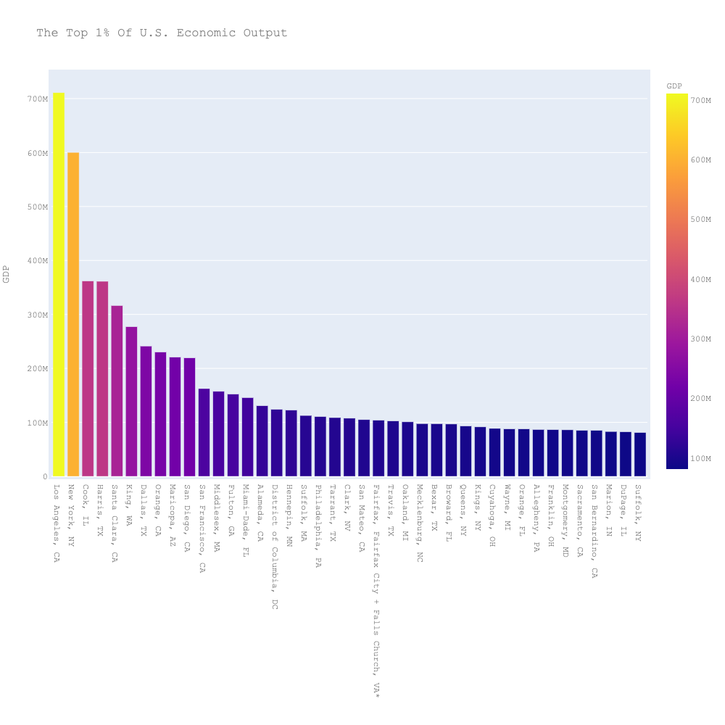
Maricopa, AZ | $220,789,933
San Diego, CA | $219,361,505
San Francisco, CA | $162,541,244
Middlesex, MA | $157,384,459
Fulton, GA | $152,383,941
Miami-Dade, FL | $145,882,828
Alameda, CA | $130,701,879
District of Columbia, DC | $123,981,627
Hennepin, MN | $122,552,072
Suffolk, MA | $112,691,074
Philadelphia, PA | $110,734,916
Tarrant, TX | $108,786,197
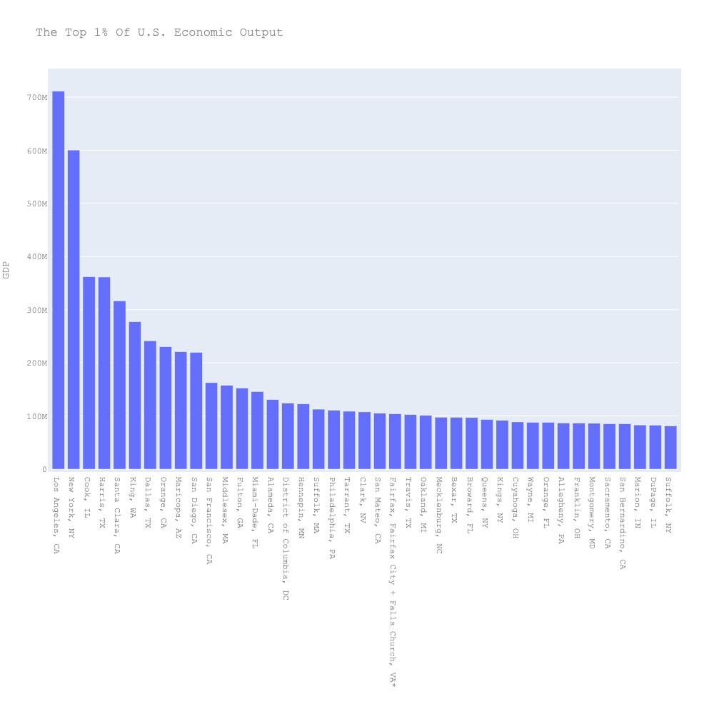
Clark, NV | $107,622,947
San Mateo, CA | $104,986,153
Fairfax, Fairfax City + Falls Church, VA* | $104,001,303
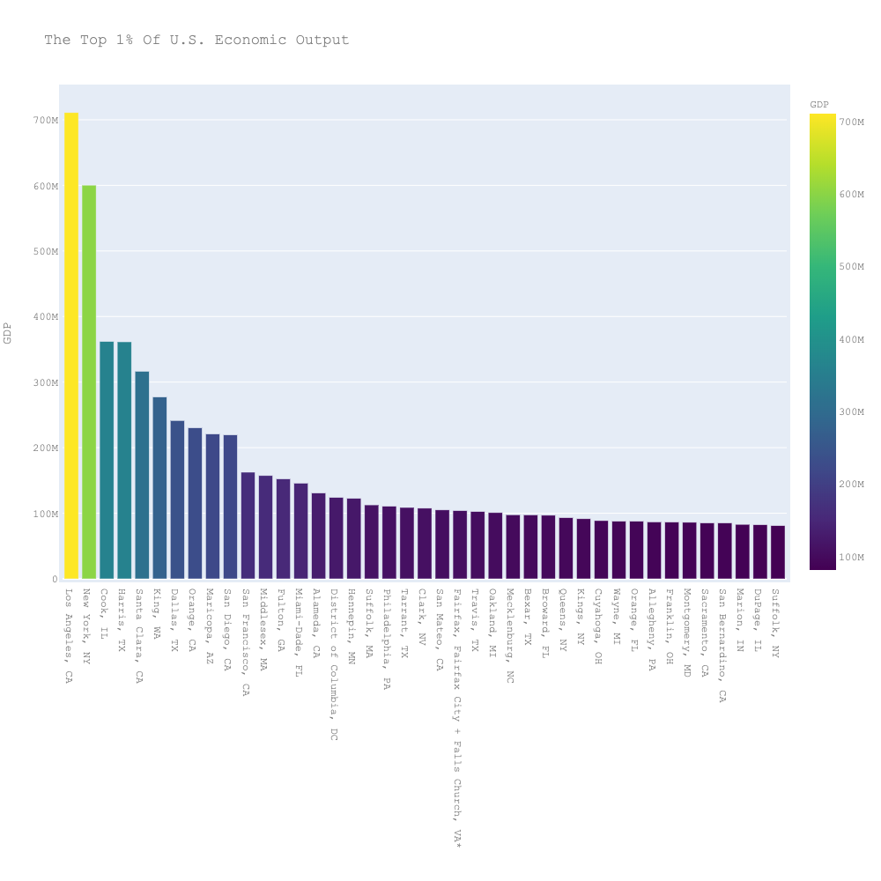
Travis, TX | $102,486,231
Oakland, MI | $100,906,866
Mecklenburg, NC | $97,637,010
Bexar, TX | $97,527,759
Broward, FL | $96,874,849
Queens, NY | $93,310,007
Kings, NY | $91,559,456
Cuyahoga, OH | $88,717,686
Wayne, MI | $88,005,730
Orange, FL | $87,741,273
Allegheny, PA | $86,799,511
Franklin, OH | $86,497,107
Montgomery, MD | $86,116,398
Sacramento, CA | $85,235,147
San Bernardino, CA | $85,114,555
Marion, IN | $82,996,653
DuPage, IL | $82,596,221
Suffolk, NY | $81,211,899
Nassau, NY | $81,196,003
Salt Lake, UT | $80,666,565
Hillsborough, FL | $79,951,440
Riverside, CA | $79,775,504
Fairfield, CT | $77,951,236
Contra Costa, CA | $77,463,188
Hartford, CT | $75,991,079
Westchester, NY | $73,404,644
Palm Beach, FL | $72,270,528
St. Louis, MO | $71,640,132
Wake, NC | $70,297,010
Denver, CO | $70,054,379
Montgomery, PA | $69,918,251
Hamilton, OH | $66,977,577
Bergen, NJ | $66,148,892
Oklahoma, OK | $64,803,045
Davidson, TN | $63,848,008
Honolulu, HI | $61,095,819
Lake, IL | $60,106,642
Collin, TX | $59,917,532
Multnomah, OR | $59,722,160
Duval, FL | $59,046,312
Middlesex, NJ | $58,319,626
Shelby, TN | $57,633,301
Milwaukee, WI | $54,269,233
Ventura, CA | $53,439,240
Morris, NJ | $52,564,871
Essex, NJ | $52,311,173
Erie, NY | $51,595,428
Norfolk, MA | $51,010,895
Kern, CA | $49,864,234
Jefferson, KY | $49,831,577
Baltimore, MD | $48,916,032
New Haven, CT | $48,060,270
Washington, OR | $47,541,712
Pinellas, FL | $46,894,199
Tulsa, OK | $46,158,530
Baltimore (Independent City), MD | $45,594,014
Cobb, GA | $45,417,267
Anne Arundel, MD | $45,313,225
Hudson, NJ | $44,690,400
Gwinnett, GA | $44,198,573
Arapahoe, CO | $44,037,874
Monroe, NY | $43,857,509
Fresno, CA | $43,436,946
Johnson, KS | $43,264,041
Essex, MA | $43,173,489
Bronx, NY | $42,695,638
New Castle, DE | $42,517,640
Jackson, MO | $42,122,646
Chester, PA | $41,947,957
Prince George's, MD | $41,879,165
Jefferson, AL | $41,774,355
Dane, WI | $41,137,645
Douglas, NE | $41,051,019
Worcester, MA | $40,731,879
Pima, AZ | $40,011,352
Pierce, WA | $39,615,989
Ramsey, MN | $39,057,292
Snohomish, WA | $39,010,008
Kent, MI | $38,895,591
Wyoming | $38,040,029
DeKalb, GA | $37,396,329
Somerset, NJ | $37,343,694
Polk, IA | $36,757,721
Union, NJ | $36,426,964
Macomb, MI | $36,366,570
Durham, NC | $35,921,840
Bernalillo, NM | $33,852,532
El Paso, CO | $33,349,174
East Baton Rouge, LA | $32,817,001
Providence, RI | $32,410,449
Monmouth, NJ | $31,954,708
Arlington, VA | $31,513,885
Guilford, NC | $31,387,797
Delaware, PA | $30,635,413
Bucks, PA | $30,571,290
Jefferson, CO* | $29,445,620
San Joaquin, CA | $29,257,580
El Paso, TX | $28,974,082
Sedgwick, KS | $28,724,113
Onondaga, NY | $28,644,000
Sonoma, CA | $28,565,621
St. Louis (Independent City), MO | $28,460,911
Mercer, NJ | $28,459,499
Denton, TX | $28,354,188
Will, IL | $28,209,374
Waukesha, WI | $28,028,503
Santa Barbara, CA | $27,855,958
Albany, NY | $27,767,672
Charleston, SC | $27,580,595
Summit, OH | $27,469,578
Greenville, SC | $27,449,115
Pulaski, AR | $27,208,113
Lee, FL | $27,046,186
Midland, TX | $26,786,004
Lancaster, PA | $26,442,386
Montgomery, OH | $25,846,635
Monterey, CA | $25,834,713
Dakota, MN | $25,800,389
Hillsborough, NH | $25,514,840
Boulder, CO* | $25,319,458
Burlington, NJ | $25,242,828
Henrico, VA | $25,115,683
Ada, ID | $24,825,864
Lucas, OH | $24,726,798
Knox, TN | $24,573,575
Loudoun, VA | $24,514,020
Fort Bend, TX | $24,423,084
Utah, UT | $24,192,262
Howard, MD | $23,953,910
Adams, CO* | $23,933,937
Bristol, MA | $23,895,996
Plymouth, MA | $23,842,961
Camden, NJ | $23,773,431
Jefferson, TX | $23,729,173
Spokane, WA | $23,475,758
Brevard, FL | $23,437,467
Richland, SC | $23,330,091
Solano, CA | $23,303,994
Hamilton, TN | $23,273,742
Orleans, LA | $23,196,847
Stanislaus, CA | $23,160,773
Washoe, NV | $22,976,437
Williamson, TX | $22,865,231
Lake, IN | $22,602,046
Polk, FL | $22,483,500
Montgomery, TX | $22,369,829
Placer, CA | $22,021,571
Washtenaw, MI | $21,963,864
Kane, IL | $21,846,847
Jefferson, LA | $21,754,436
Madison, AL | $21,707,550
Lehigh, PA | $21,674,408
Forsyth, NC | $21,641,338
Dauphin, PA | $21,169,400
Passaic, NJ | $21,166,615
Hidalgo, TX | $21,017,756
Hampden, MA | $20,997,698
Marin, CA | $20,896,027
Williamson, TN | $20,705,085
Norfolk (Independent City), VA | $20,628,226
Weld, CO* | $20,531,235
Anchorage Municipality, AK | $20,329,942
Virginia Beach (Independent City), VA | $20,081,231
Seminole, FL | $19,779,928
Allen, IN | $19,716,158
Clackamas, OR | $19,580,688
Cumberland, ME | $19,382,624
Fayette, KY | $19,202,370
Nueces, TX | $19,117,033
Rockingham, NH | $18,938,880
Ocean, NJ | $18,862,944
Richmond (Independent City), VA | $18,851,790
York, PA | $18,675,558
Rockland, NY | $18,491,409
Berks, PA | $18,443,415
Tulare, CA | $18,415,098
Clark, WA | $18,366,219
Butler, OH | $18,352,682
Prince William, Manassas + Manassas Park, VA* | $18,138,897
Mobile, AL | $17,882,906
Sarasota, FL | $17,814,560
New London, CT | $17,084,801
Brown, WI | $16,864,677
Chatham, GA | $16,849,129
Larimer, CO | $16,793,330
Clayton, GA | $16,751,712
Lancaster, NE | $16,557,682
San Luis Obispo, CA | $16,536,404
Volusia, FL | $16,446,375
Cumberland, NC | $16,269,352
Hamilton, IN | $16,176,217
Linn, IA | $15,957,005
Collier, FL | $15,760,299
Douglas, CO | $15,743,268
Brazoria, TX | $15,588,622
Orange, NY | $15,425,245
Stark, OH | $15,368,075
Chesterfield, VA | $15,281,992
Lane, OR | $15,067,333
Washington, PA | $15,025,337
Greene, MO | $15,023,186
Bell, TX | $14,886,755
Luzerne, PA | $14,876,375
St. Charles, MO | $14,793,630
Richmond, NY | $14,514,449
Ingham, MI | $14,491,884
Calcasieu, LA | $14,399,795
Marion, OR | $14,356,411
Gloucester, NJ | $14,353,051
Minnehaha, SD | $14,349,976
Galveston, TX | $14,227,702
Leon, FL | $14,165,147
Escambia, FL | $14,133,569
Alexandria (Independent City), VA | $14,046,724
Anoka, MN | $13,920,520
Cumberland, PA | $13,853,916
Santa Cruz, CA | $13,765,700
Yolo, CA | $13,751,632
Sussex, DE | $13,568,583
Davis, UT | $13,565,775
Whatcom, WA | $13,515,737
Lafayette, LA | $13,515,417
Spartanburg, SC | $13,481,467
Genesee, MI | $13,455,676
Rutherford, TN | $13,308,992
Caddo, LA | $13,294,109
Karnes, TX | $13,273,827
Benton, AR | $13,245,065
Ottawa, MI | $13,219,620
Westmoreland, PA | $13,083,629
Winnebago, IL | $13,080,810
Atlantic, NJ | $12,863,458
Ector, TX | $12,844,718
Reeves, TX | $12,666,552
Montgomery, AL | $12,633,330
Manatee, FL | $12,599,063
Dutchess, NY | $12,564,796
St. Joseph, IN | $12,554,863
Kalamazoo, MI | $12,530,386
Lubbock, TX | $12,523,583
Frederick, MD | $12,479,134
Barnstable, MA | $12,459,842
Northampton, PA | $12,457,389
Alachua, FL | $12,447,381
Webb, TX | $12,408,193
Thurston, WA | $12,398,258
McLennan, TX | $12,347,805
New Hanover, NC | $12,296,654
Newport News (Independent City), VA | $12,053,270
Peoria, IL | $12,040,364
Elkhart, IN | $12,038,611
Harford, MD | $11,877,161
McLean, IL | $11,802,499
Buncombe, NC | $11,793,788
Richmond, GA | $11,603,709
Kitsap, WA | $11,512,963
Madison, IL | $11,293,639
Pasco, FL | $11,238,393
Hinds, MS | $11,214,681
Horry, SC | $11,205,683
Erie, PA | $11,200,594
Cass, ND | $11,198,520
Lexington, SC | $10,931,139
Olmsted, MN | $10,738,821
St. Clair, IL | $10,679,494
St. Louis, MN | $10,625,233
Sangamon, IL | $10,570,791
Okaloosa, FL | $10,515,093
Rock Island, IL | $10,496,180
Lake, OH | $10,482,488
Vanderburgh, IN | $10,474,357
North Slope Borough, AK | $10,469,543
Chittenden, VT | $10,465,797
Wyandotte, KS | $10,433,971
Albemarle + Charlottesville, VA* | $10,415,551
Benton, WA | $10,378,129
Champaign, IL | $10,356,705
Shelby, AL | $10,317,323
Outagamie, WI | $10,245,306
McHenry, IL | $10,241,435
York, SC | $10,183,072
Smith, TX | $10,179,462
Saratoga, NY | $10,178,558
Oneida, NY | $10,131,589
Butler, PA | $10,060,376
Clay, MO | $10,039,988
Lorain, OH | $10,027,706
Cameron, TX | $10,011,608
Napa, CA | $9,999,759
Yakima, WA | $9,883,248
Delaware, OH | $9,853,034
Washington, AR | $9,828,703
Warren, OH | $9,800,470
Martin, TX | $9,798,482
Washington, MN | $9,752,907
Weber, UT | $9,727,908
Kanawha, WV | $9,715,321
Muscogee, GA | $9,713,550
Chesapeake (Independent City), VA | $9,671,615
St. Charles, LA | $9,662,139
Loving, TX | $9,557,235
Brazos, TX | $9,525,806
Merced, CA | $9,435,667
Maui + Kalawao, HI* | $9,345,639
Winnebago, WI | $9,274,302
Guadalupe, TX | $9,253,418
Marion, FL | $9,237,866
Butte, CA | $9,219,915
St. Tammany, LA | $9,056,766
Tuscaloosa, AL | $9,042,556
Lackawanna, PA | $9,039,506
Shawnee, KS | $9,032,118
Broome, NY | $8,981,867
Merrimack, NH | $8,883,678
Yellowstone, MT | $8,875,311
Greene, OH | $8,796,649
Hall, GA | $8,764,977
Niagara, NY | $8,730,408
Middlesex, CT | $8,706,342
Forsyth, GA | $8,676,090
Mahoning, OH | $8,660,236
Ascension, LA | $8,603,284
Racine, WI | $8,450,197
Johnson, IA | $8,385,942
Osceola, FL | $8,374,889
Tippecanoe, IN | $8,355,142
St. Lucie, FL | $8,311,311
Lake, FL | $8,284,194
Catawba, NC | $8,261,212
Eddy, NM | $8,235,321
Jackson, OR | $8,219,635
Scott, IA | $8,208,858
Tazewell, IL | $8,206,096
Deschutes, OR | $8,195,615
Onslow, NC | $8,155,742
Boone, KY | $8,145,159
Boone, MO | $8,140,223
Hawaii, HI | $8,124,355
Saginaw, MI | $8,120,484
Kent, RI | $8,086,479
Marathon, WI | $8,056,817
Imperial, CA | $8,038,068
Hutchinson, TX | $7,999,065
Bibb, GA | $7,980,755
Stearns, MN | $7,972,940
Washington, OK | $7,936,430
Centre, PA | $7,929,168
Harrison, MS | $7,904,206
Gregg, TX | $7,899,636
Yuma, AZ | $7,874,389
Lea, NM | $7,791,593
La Salle, TX | $7,789,093
Potter, TX | $7,785,463
Pitt, NC | $7,778,281
Litchfield, CT | $7,688,830
Orange, NC | $7,675,148
Shasta, CA | $7,655,080
El Dorado, CA | $7,653,908
Clermont, OH | $7,620,619
Bay, FL | $7,606,775
Allen, OH | $7,558,930
Jackson, MS | $7,522,803
Nash, NC | $7,510,036
Skagit, WA | $7,469,437
York, ME | $7,424,554
Iredell, NC | $7,394,300
Schenectady, NY | $7,384,149
Upton, TX | $7,369,575
St. Johns, FL | $7,357,931
Trumbull, OH | $7,324,549
Ouachita, LA | $7,285,480
Cleveland, OK | $7,136,979
Sullivan, TN | $7,134,333
Beaver, PA | $7,129,597
Black Hawk, IA | $7,115,887
Madera, CA | $7,099,931
DeWitt, TX | $7,076,798
Washington, MD | $7,053,214
Berkeley, SC | $7,034,739
Rock, WI | $7,013,004
Kenton, KY | $6,947,960
Martin, FL | $6,946,903
Pinal, AZ | $6,936,698
Clarke, GA | $6,890,589
Berrien, MI | $6,877,563
Sarpy, NE | $6,860,214
Hampshire, MA | $6,838,493
Hunterdon, NJ | $6,811,313
Gaston, NC | $6,804,692
Coconino, AZ | $6,770,442
Howard, TX | $6,757,873
Doña Ana, NM | $6,757,266
Florence, SC | $6,747,394
Sheboygan, WI | $6,700,198
Kent, DE | $6,700,040
Berkshire, MA | $6,659,360
Roanoke (Independent City), VA | $6,633,697
St. Mary's, MD | $6,611,288
Beaufort, SC | $6,565,845
Campbell + Lynchburg, VA* | $6,546,103
Lycoming, PA | $6,530,249
Hampton (Independent City), VA | $6,525,663
Macon, IL | $6,523,486
Yavapai, AZ | $6,481,866
La Crosse, WI | $6,470,471
Cabarrus, NC | $6,399,369
Porter, IN | $6,370,405
Bartholomew, IN | $6,363,058
Medina, OH | $6,362,804
Hays, TX | $6,291,164
Livingston, MI | $6,289,053
Wood, OH | $6,283,101
Anderson, SC | $6,278,912
Mesa, CO | $6,253,144
Washington, RI | $6,252,824
Monongalia, WV | $6,244,073
Ulster, NY | $6,237,082
Union, NC | $6,210,252
Campbell, WY | $6,204,761
Cherokee, GA | $6,203,380
Rankin, MS | $6,194,331
Johnson, TX | $6,166,179
Belmont, OH | $6,153,399
Rockingham + Harrisonburg, VA* | $6,145,145
Kenosha, WI | $6,141,725
Humboldt, CA | $6,118,687
Rensselaer, NY | $6,111,679
Pueblo, CO | $6,084,945
Monroe, IN | $6,080,616
Taylor, TX | $6,073,954
Sebastian, AR | $6,067,121
Cumberland, NJ | $6,051,881
Houston, GA | $6,039,600
Hendricks, IN | $6,030,852
Penobscot, ME | $6,017,850
Lee, AL | $6,013,577
Aiken, SC | $6,009,182
Muskegon, MI | $6,004,546
Grafton, NH | $5,996,422
Oswego, NY | $5,992,557
Reagan, TX | $5,977,463
Platte, MO | $5,965,298
Eau Claire, WI | $5,920,257
Sumner, TN | $5,919,474
Jefferson, NY | $5,910,020
Dimmit, TX | $5,908,447
Madison, MS | $5,897,999
Santa Fe, NM | $5,825,345
San Juan, NM | $5,812,050
Bossier, LA | $5,812,033
Carroll, MD | $5,805,798
Roanoke + Salem, VA* | $5,793,223
Baldwin, AL | $5,774,289
Calhoun, MI | $5,766,360
Strafford, NH | $5,764,984
Portsmouth (Independent City), VA | $5,719,664
Monroe, PA | $5,673,380
Jackson, MI | $5,662,101
Lebanon, PA | $5,659,207
Frederick + Winchester, VA* | $5,656,457
Fairbanks North Star Borough, AK | $5,654,089
Kings, CA | $5,648,724
Monroe, MI | $5,644,944
Washington, WI | $5,636,773
Scott, MN | $5,616,653
Whitfield, GA | $5,604,981
Franklin, PA | $5,583,610
Licking, OH | $5,577,325
Terrebonne, LA | $5,535,908
Kootenai, ID | $5,529,281
Ontario, NY | $5,486,118
Grant, WA | $5,472,287
Washington, TN | $5,468,691
Henry, GA | $5,456,897
Comal, TX | $5,455,611
Wichita, TX | $5,452,221
Glasscock, TX | $5,445,361
Portage, OH | $5,443,756
Williams, ND | $5,435,976
Warren, KY | $5,423,938
Tompkins, NY | $5,412,942
LaSalle, IL | $5,398,514
Canyon, ID | $5,367,721
Montgomery + Radford, VA* | $5,365,957
Alamance, NC | $5,364,474
Andrews, TX | $5,355,273
Blair, PA | $5,354,290
Washington, UT | $5,347,692
Indian River, FL | $5,346,831
Hanover, VA | $5,346,260
Spotsylvania + Fredericksburg, VA* | $5,330,562
Newport, RI | $5,328,893
Rapides, LA | $5,322,092
Charles, MD | $5,318,368
Madison, TN | $5,306,184
Jasper, MO | $5,292,144
Tom Green, TX | $5,285,701
Christian, KY | $5,274,474
Ellis, TX | $5,263,388
Howard, IN | $5,253,267
Hancock, OH | $5,242,941
Laramie, WY | $5,236,630
Burleigh, ND | $5,212,246
Dubuque, IA | $5,194,130
Gallatin, MT | $5,178,452
Natrona, WY | $5,171,022
Susquehanna, PA | $5,152,922
Pennington, SD | $5,148,494
Steuben, NY | $5,127,024
St. Clair, MI | $5,122,024
Bradford, PA | $5,109,302
Mohave, AZ | $5,068,013
Wayne, OH | $5,065,142
Kennebec, ME | $5,025,676
DeSoto, MS | $5,006,943
Missoula, MT | $5,004,429
Salem, NJ | $5,000,437
Erie, OH | $4,996,510
Carver, MN | $4,982,250
Morgan, AL | $4,980,085
Gonzales, TX | $4,962,433
Montgomery, TN | $4,928,685
Midland, MI | $4,917,510
Wicomico, MD | $4,915,684
Bonneville, ID | $4,905,301
Augusta, Staunton + Waynesboro, VA* | $4,902,654
Cape May, NJ | $4,852,632
Stafford, VA | $4,847,069
Tolland, CT | $4,835,245
Rowan, NC | $4,829,489
Story, IA | $4,814,640
Schuylkill, PA | $4,810,715
Blount, TN | $4,809,024
Chautauqua, NY | $4,795,711
Cache, UT | $4,782,815
Fond du Lac, WI | $4,779,555
Woodbury, IA | $4,770,518
Dallas, IA | $4,763,330
Hardin, KY | $4,763,191
Jefferson, MO | $4,756,553
Victoria, TX | $4,723,879
Atascosa, TX | $4,722,996
Wayne, NC | $4,714,200
Benton, OR | $4,705,402
Grayson, TX | $4,691,343
Davidson, NC | $4,683,171
Charlotte, FL | $4,670,656
Grand Traverse, MI | $4,668,753
Windham, CT | $4,661,614
Ozaukee, WI | $4,642,718
Pottawattamie, IA | $4,637,631
Ward, TX | $4,594,555
Kaufman, TX | $4,573,275
Johnston, NC | $4,571,119
Lowndes, GA | $4,563,203
Cambria, PA | $4,550,684
Kosciusko, IN | $4,549,226
Vigo, IN | $4,542,724
Johnson, IN | $4,534,695
Boone, IN | $4,528,949
Cowlitz, WA | $4,511,489
Harrison, TX | $4,509,467
Clay, FL | $4,508,532
Bartow, GA | $4,495,356
Sussex, NJ | $4,478,411
Douglas, KS | $4,458,646
Greene, PA | $4,452,185
Comanche, OK | $4,449,256
Wilson, TN | $4,442,285
Allegan, MI | $4,429,115
Linn, OR | $4,418,178
Clark, OH | $4,414,081
Bradley, TN | $4,412,936
Suffolk (Independent City), VA | $4,409,998
Cochise, AZ | $4,404,134
Richland, OH | $4,395,247
Cabell, WV | $4,388,563
Clark, IN | $4,380,616
Harrison, WV | $4,373,281
Kankakee, IL | $4,370,611
Craven, NC | $4,360,609
Houston, AL | $4,349,489
St. Lawrence, NY | $4,325,055
Fayette, GA | $4,314,130
Lee, MS | $4,298,512
Eaton, MI | $4,296,062
Buchanan, MO | $4,291,237
Grant, IN | $4,276,362
Androscoggin, ME | $4,266,879
Monroe, FL | $4,255,911
Anderson, TN | $4,244,637
Garfield, CO | $4,243,642
Cecil, MD | $4,242,723
Cole, MO | $4,238,180
Henderson, NC | $4,235,883
Boyd, KY | $4,208,514
Dougherty, GA | $4,198,481
Warren, NJ | $4,183,193
Canadian, OK | $4,179,430
Chelan, WA | $4,177,800
Nevada, CA | $4,170,409
Jefferson, WI | $4,134,695
Calvert, MD | $4,127,614
Mercer, PA | $4,101,219
James City + Williamsburg, VA* | $4,089,508
Kauai, HI | $4,083,693
Daviess, KY | $4,067,175
Miami, OH | $4,056,603
Craighead, AR | $4,031,319
Fayette, PA | $4,008,354
Blue Earth, MN | $4,007,832
Franklin, MO | $4,003,073
Wright, MN | $4,002,893
Carroll, GA | $3,994,013
Lafourche, LA | $3,978,516
Laurens, SC | $3,972,703
Randolph, NC | $3,960,189
Calhoun, AL | $3,950,436
LaPorte, IN | $3,940,402
Tangipahoa, LA | $3,894,065
Wilson, NC | $3,890,550
Manitowoc, WI | $3,885,280
Delaware, IN | $3,872,532
Indiana, PA | $3,867,491
Parker, TX | $3,860,064
Walworth, WI | $3,859,338
Douglas, GA | $3,848,040
Sweetwater, WY | $3,836,603
Jefferson, OH | $3,836,529
Santa Rosa, FL | $3,836,306
Hernando, FL | $3,817,718
Fairfield, OH | $3,795,258
Floyd, GA | $3,787,411
Cascade, MT | $3,782,722
De Soto, LA | $3,779,059
Sumter, SC | $3,773,452
Wise, TX | $3,759,232
Prince George + Hopewell, VA* | $3,749,605
Wood, WI | $3,744,448
Grand Forks, ND | $3,740,414
Ward, ND | $3,733,225
Geauga, OH | $3,733,117
McMullen, TX | $3,730,878
Flathead, MT | $3,726,973
Coweta, GA | $3,705,520
Bowie, TX | $3,701,177
Union, OH | $3,699,605
Troup, GA | $3,689,303
Faulkner, AR | $3,683,719
McCracken, KY | $3,679,761
Warren, NY | $3,674,608
Muskingum, OH | $3,650,728
Brunswick, NC | $3,648,227
Cape Girardeau, MO | $3,644,297
Chemung, NY | $3,625,650
DeKalb, IL | $3,614,570
Forrest, MS | $3,614,553
Cleveland, NC | $3,593,630
Sevier, TN | $3,591,754
Franklin, WA | $3,557,186
Hunt, TX | $3,554,755
Clinton, NY | $3,554,003
Mendocino, CA | $3,552,687
Randall, TX | $3,539,417
Navajo, AZ | $3,535,546
Glynn, GA | $3,524,216
La Plata, CO | $3,515,882
Citrus, FL | $3,511,018
Lancaster, SC | $3,501,614
Madison, IN | $3,494,610
Adams, PA | $3,487,746
Sutter, CA | $3,486,115
Bay, MI | $3,481,282
Oconee, SC | $3,480,348
Plaquemines, LA | $3,444,860
Tuscarawas, OH | $3,427,629
Portage, WI | $3,414,812
Pickens, SC | $3,412,082
Rockdale, GA | $3,403,771
Lewis, WA | $3,403,303
Washington, VT | $3,403,063
Angelina, TX | $3,395,257
Garfield, OK | $3,391,713
Yamhill, OR | $3,389,781
Umatilla, OR | $3,387,635
Yoakum, TX | $3,385,988
Douglas, OR | $3,382,950
Pittsylvania + Danville, VA* | $3,380,090
Cheshire, NH | $3,376,138
Eagle, CO | $3,375,460
Wayne, NY | $3,369,099
Wood, WV | $3,350,079
Monroe, OH | $3,348,767
Sauk, WI | $3,338,082
Gaines, TX | $3,329,962
Twin Falls, ID | $3,323,275
Putnam, TN | $3,308,251
Columbia, GA | $3,294,683
Limestone, AL | $3,288,507
Maury, TN | $3,285,859
Vermilion, IL | $3,285,723
Adams, IL | $3,284,870
Dodge, WI | $3,279,690
Hall, NE | $3,274,814
Pecos, TX | $3,267,658
Washington, OH | $3,258,342
Carson City (Independent City), NV | $3,240,155
Franklin, KY | $3,228,327
Liberty, GA | $3,212,350
Lee, NC | $3,210,730
West Baton Rouge, LA | $3,199,431
Orange, TX | $3,196,209
Moore, NC | $3,190,937
Sherburne, MN | $3,183,353
Carroll, OH | $3,157,285
Crawford, IL | $3,154,494
Grundy, IL | $3,145,931
St. James, LA | $3,133,283
Iberia, LA | $3,117,265
Orangeburg, SC | $3,115,582
Berkeley, WV | $3,093,871
Marquette, MI | $3,091,552
Dorchester, SC | $3,090,144
Robeson, NC | $3,083,812
Payne, OK | $3,083,512
Lewis and Clark, MT | $3,083,311
Walla Walla, WA | $3,068,776
Marshall, AL | $3,061,736
Putnam, NY | $3,056,190
Garland, AR | $3,051,825
Ohio, WV | $3,044,572
St. Croix, WI | $3,031,736
Curry, NM | $3,024,286
Yuba, CA | $3,020,233
Rockwall, TX | $3,002,097
Hamblen, TN | $2,996,630
Sandoval, NM | $2,991,564
Summit, UT | $2,973,451
Columbiana, OH | $2,970,872
Crawford, PA | $2,963,429
Rockingham, NC | $2,957,387
McKenzie, ND | $2,956,333
Saline, KS | $2,956,168
Shelby, OH | $2,946,112
Northumberland, PA | $2,920,049
Jefferson, AR | $2,917,078
Muskogee, OK | $2,912,342
Kendall, IL | $2,910,561
Gibson, IN | $2,902,220
Campbell, KY | $2,894,065
Scioto, OH | $2,879,940
Lawrence, PA | $2,846,290
Talladega, AL | $2,840,194
Allegany, MD | $2,828,976
Marshall, WV | $2,826,306
Raleigh, WV | $2,823,696
Rusk, TX | $2,822,763
Kenai Peninsula Borough, AK | $2,808,539
Franklin, MA | $2,807,921
Union, AR | $2,806,423
Jackson, IL | $2,805,921
Etowah, AL | $2,803,470
Williamson, IL | $2,796,011
Accomack, VA | $2,794,309
Columbia, WI | $2,785,286
Ashtabula, OH | $2,781,238
Island, WA | $2,779,987
Carter, OK | $2,774,940
Lauderdale, MS | $2,764,388
Lowndes, MS | $2,763,507
Worcester, MD | $2,761,060
Colbert, AL | $2,755,838
Bannock, ID | $2,745,368
Putnam, WV | $2,737,539
Panola, TX | $2,727,949
Ogle, IL | $2,721,329
Van Buren, MI | $2,709,396
Pike, KY | $2,703,199
Pope, AR | $2,692,810
Goodhue, MN | $2,690,313
Marion, OH | $2,688,988
Sioux, IA | $2,676,524
Lenawee, MI | $2,674,402
Belknap, NH | $2,673,442
Dinwiddie, Colonial Heights + Petersburg, VA* | $2,672,846
Wayne, IN | $2,659,403
Cattaraugus, NY | $2,659,316
Fauquier, VA | $2,648,940
Jackson, GA | $2,647,300
Elko, NV | $2,647,073
Sandusky, OH | $2,645,958
Madison, KY | $2,634,589
Sullivan, NY | $2,619,796
Clearfield, PA | $2,619,560
Apache, AZ | $2,619,469
Dubois, IN | $2,615,764
Greenwood, SC | $2,613,491
Guernsey, OH | $2,607,037
Cooke, TX | $2,603,999
Somerset, PA | $2,601,860
Floyd, IN | $2,600,472
Nacogdoches, TX | $2,596,775
Buffalo, NE | $2,588,065
Ross, OH | $2,585,225
Burke, NC | $2,583,060
Lenoir, NC | $2,577,693
Coffee, TN | $2,573,478
Washington + Bristol, VA* | $2,563,018
Kandiyohi, MN | $2,561,566
Platte, NE | $2,560,802
Leavenworth, KS | $2,560,260
Chippewa, WI | $2,559,488
Jones, MS | $2,559,289
Josephine, OR | $2,554,777
Rogers, OK | $2,549,812
Whitman, WA | $2,549,592
Cullman, AL | $2,548,547
St. Landry, LA | $2,548,496
Geary, KS | $2,540,165
Highlands, FL | $2,538,660
Cass, MO | $2,538,540
Otero, NM | $2,526,350
Stark, ND | $2,523,736
Walton, FL | $2,511,146
Winona, MN | $2,509,223
Dale, AL | $2,505,314
San Benito, CA | $2,495,845
Jackson, IN | $2,495,376
Crow Wing, MN | $2,495,344
Burke, GA | $2,489,579
Sumter, FL | $2,484,841
St. Mary, LA | $2,479,914
Scurry, TX | $2,474,422
Rutland, VT | $2,469,821
Riley, KS | $2,469,027
Lauderdale, AL | $2,467,086
DeKalb, IN | $2,466,948
Grays Harbor, WA | $2,464,139
Cayuga, NY | $2,455,069
Surry, NC | $2,447,200
Tuolumne, CA | $2,430,940
Scott, KY | $2,422,975
McKinley, NM | $2,422,005
Newton, GA | $2,415,670
Clallam, WA | $2,375,614
St. John the Baptist, LA | $2,367,760
Cerro Gordo, IA | $2,360,792
Aroostook, ME | $2,357,454
Box Elder, UT | $2,354,625
Douglas, NV | $2,354,292
Caldwell, NC | $2,347,493
Livingston, LA | $2,346,977
Armstrong, PA | $2,344,977
Madison, NE | $2,342,025
York + Poquoson, VA* | $2,332,335
Valdez-Cordova Census Area, AK* | $2,331,614
Windsor, VT | $2,324,722
Fayette, OH | $2,311,461
Columbia, PA | $2,308,721
Reno, KS | $2,307,946
Coles, IL | $2,305,836
Walton, GA | $2,305,512
Rice, MN | $2,303,295
Uintah, UT | $2,301,653
Muscatine, IA | $2,298,640
Juneau City and Borough, AK | $2,298,214
Hockley, TX | $2,291,133
Paulding, GA | $2,290,287
Butler, KS | $2,283,399
Otter Tail, MN | $2,282,953
San Patricio, TX | $2,279,014
Darlington, SC | $2,272,984
White, AR | $2,272,114
Otsego, NY | $2,269,245
Matanuska-Susitna Borough, AK | $2,266,408
Isabella, MI | $2,263,492
Monroe, WI | $2,247,621
Columbia, NY | $2,234,756
Auglaize, OH | $2,234,651
Klamath, OR | $2,234,621
Bullitt, KY | $2,225,729
Nassau, FL | $2,213,296
Holmes, OH | $2,211,791
Tehama, CA | $2,210,392
Roane, TN | $2,206,450
Mississippi, AR | $2,205,413
Carbon, PA | $2,201,379
Wyoming, PA | $2,201,326
Lincoln, SD | $2,200,313
Des Moines, IA | $2,198,139
Hancock, ME | $2,197,937
Georgetown, SC | $2,193,408
Lincoln, NE | $2,184,894
Hood, TX | $2,180,548
Hancock, IN | $2,180,514
Lake, CA | $2,178,663
Steele, MN | $2,177,534
Windham, VT | $2,176,247
Genesee, NY | $2,176,156
Harnett, NC | $2,167,983
Teton, WY | $2,166,420
Huron, OH | $2,163,662
Gordon, GA | $2,159,797
Flagler, FL | $2,159,015
Tioga, PA | $2,158,993
Gallia, OH | $2,158,774
Mercer, OH | $2,157,710
Greene, TN | $2,153,404
Marion, WV | $2,152,179
Chambers, TX | $2,150,371
Summit, CO | $2,144,107
Lamar, TX | $2,141,896
Bulloch, GA | $2,141,698
Henry + Martinsville, VA* | $2,139,523
Robertson, TN | $2,138,230
Taney, MO | $2,133,363
Los Alamos, NM | $2,128,143
Duplin, NC | $2,122,949
Columbia, FL | $2,117,963
Lincoln, NC | $2,116,667
Clinton, IA | $2,106,560
Wilkes, NC | $2,103,352
Washington, TX | $2,099,987
Granville, NC | $2,098,627
Webster, IA | $2,097,183
Madison, NY | $2,093,954
Coos, OR | $2,091,146
Whiteside, IL | $2,090,471
Carteret, NC | $2,088,792
Robertson, TX | $2,082,871
Itasca, MN | $2,079,149
Louisa, VA | $2,077,558
Walker, AL | $2,058,416
Greene, NY | $2,057,304
Iberville, LA | $2,056,001
Sampson, NC | $2,053,485
Pulaski, KY | $2,051,058
Thomas, GA | $2,050,229
Matagorda, TX | $2,046,679
Grant, WI | $2,046,365
Warren, MS | $2,044,502
Effingham, IL | $2,041,960
St. Francois, MO | $2,037,226
Shelby, IN | $2,032,091
Carroll, NH | $2,029,530
Brown, SD | $2,025,182
Pulaski, MO | $2,022,292
Livingston, NY | $2,021,448
Warrick, IN | $2,015,080
Pontotoc, OK | $2,013,020
Walker, TX | $2,011,832
Putnam, FL | $2,009,787
Live Oak, TX | $2,006,611
McPherson, KS | $2,006,354
Chaves, NM | $2,003,504
Harrison, OH | $1,996,217
Finney, KS | $1,995,782
Lapeer, MI | $1,993,372
Barron, WI | $1,993,162
Saline, AR | $1,991,439
Laurel, KY | $1,990,777
Gila, AZ | $1,985,337
Fulton, OH | $1,984,068
Talbot, MD | $1,983,724
Chenango, NY | $1,973,842
Frio, TX | $1,972,828
Brookings, SD | $1,957,992
Goochland, VA | $1,952,541
Chambers, AL | $1,941,217
Marinette, WI | $1,941,011
Montgomery, KS | $1,939,453
Clinton, OH | $1,933,426
Spalding, GA | $1,932,018
McMinn, TN | $1,926,369
Cherokee, SC | $1,926,264
Watauga, NC | $1,924,260
Stephenson, IL | $1,923,456
Logan, OH | $1,921,506
Henderson, KY | $1,917,354
Lincoln, LA | $1,914,163
Shenandoah, VA | $1,912,088
Cameron, LA | $1,907,462
St. Joseph, MI | $1,903,755
Pitkin, CO | $1,900,883
Athens, OH | $1,899,070
Liberty, TX | $1,898,796
Mower, MN | $1,897,575
Knox, OH | $1,893,132
Rhea, TN | $1,892,112
Nez Perce, ID | $1,889,423
Dodge, NE | $1,886,102
Barrow, GA | $1,884,951
Hawkins, TN | $1,881,653
Bastrop, TX | $1,881,339
Lafayette, MS | $1,869,337
Waupaca, WI | $1,866,523
Camden, GA | $1,865,713
McKean, PA | $1,865,208
Bedford, VA* | $1,864,725
Pottawatomie, OK | $1,864,658
Calhoun, TX | $1,861,259
Tioga, NY | $1,860,690
Knox, IN | $1,860,452
Vernon, LA | $1,847,621
Richmond, NC | $1,845,375
Darke, OH | $1,841,018
Clay, MN | $1,837,525
Laurens, GA | $1,835,285
Wharton, TX | $1,826,855
Ottawa, OH | $1,826,546
Winkler, TX | $1,824,256
Kershaw, SC | $1,823,910
Douglas, WI | $1,823,784
Kendall, TX | $1,822,462
Anderson, TX | $1,821,668
Douglas, MN | $1,820,998
Jim Wells, TX | $1,812,196
Polk, OR | $1,800,079
Douglas, WA | $1,799,803
Montezuma, CO | $1,799,102
Montgomery, NY | $1,796,337
Nantucket, MA | $1,791,518
Warren, VA | $1,791,015
Effingham, GA | $1,789,623
Dare, NC | $1,787,834
McLeod, MN | $1,782,458
Cortland, NY | $1,780,484
Siskiyou, CA | $1,776,081
Clinton, MI | $1,773,185
Creek, OK | $1,772,087
Greenlee, AZ | $1,771,158
Dukes, MA | $1,769,760
DeKalb, AL | $1,768,414
St. Clair, AL | $1,764,952
Waller, TX | $1,764,685
Union, PA | $1,763,808
Herkimer, NY | $1,760,557
Lincoln, OR | $1,757,779
Livingston, IL | $1,753,899
Knox, IL | $1,750,985
Stanly, NC | $1,749,811
Tooele, UT | $1,748,838
Venango, PA | $1,744,639
Clatsop, OR | $1,740,163
Delaware, NY | $1,738,567
King George, VA | $1,734,726
Franklin, VT | $1,733,921
Vermilion, LA | $1,732,086
Dunn, WI | $1,730,099
Montour, PA | $1,723,924
Tift, GA | $1,722,446
Pike, OH | $1,721,831
Newton, MO | $1,720,273
Irion, TX | $1,717,353
Noble, IN | $1,712,402
Defiance, OH | $1,710,144
Boone, IL | $1,706,969
Kay, OK | $1,704,780
Pickaway, OH | $1,703,465
Santa Cruz, AZ | $1,701,223
Wythe, VA | $1,700,187
Adams, NE | $1,697,971
Franklin, NY | $1,696,153
Jefferson, IL | $1,695,482
Elmore, AL | $1,694,188
Marshall, IA | $1,691,952
Seneca, OH | $1,691,055
Pittsburg, OK | $1,690,497
Madison, OH | $1,689,443
Fulton, NY | $1,687,432
Shiawassee, MI | $1,684,436
Sublette, WY | $1,684,220
Moore, TX | $1,682,157
Henderson, TX | $1,680,801
Kerr, TX | $1,680,749
Washington, NY | $1,678,558
Tazewell, VA | $1,678,521
Ford, KS | $1,676,999
Fayette, TX | $1,676,417
Routt, CO | $1,676,236
Colusa, CA | $1,673,234
Independence, AR | $1,670,702
Queen Anne's, MD | $1,668,547
Somerset, ME | $1,660,106
Amador, CA | $1,651,760
Cassia, ID | $1,648,535
Wood, TX | $1,643,737
Rutherford, NC | $1,643,630
Culpeper, VA | $1,643,291
Erath, TX | $1,639,702
Val Verde, TX | $1,638,997
Monroe, GA | $1,636,124
Kittitas, WA | $1,635,688
Whitley, KY | $1,632,913
Wapello, IA | $1,628,245
Titus, TX | $1,627,165
Ashland, OH | $1,627,015
Lawrence, OH | $1,626,548
Dickson, TN | $1,624,735
Callaway, MO | $1,617,194
Beltrami, MN | $1,616,550
Bedford, TN | $1,609,446
Nye, NV | $1,609,430
Custer, OK | $1,608,792
Isle of Wight, VA | $1,608,390
Williams, OH | $1,603,752
Acadia, LA | $1,603,705
Eureka, NV | $1,602,010
Culberson, TX | $1,601,604
Fremont, WY | $1,595,939
Mifflin, PA | $1,594,976
Montcalm, MI | $1,594,841
Morgan, CO | $1,592,344
Warren, PA | $1,591,424
Marshall, IN | $1,587,315
Nelson, KY | $1,586,803
Montgomery, IN | $1,586,433
Lee, IA | $1,580,685
Haywood, NC | $1,569,361
Johnson, MO | $1,569,223
Jefferson, PA | $1,569,079
Crawford, AR | $1,567,342
Emmet, MI | $1,562,456
Loudon, TN | $1,561,274
Calumet, WI | $1,561,000
Hancock, MS | $1,558,572
Plymouth, IA | $1,556,493
Knox, ME | $1,555,505
Oxford, ME | $1,551,556
Snyder, PA | $1,551,086
Morgan, IN | $1,550,375
Oktibbeha, MS | $1,549,445
Benton, MN | $1,548,963
Mercer, WV | $1,548,865
Bristol, RI | $1,546,297
Marion, IA | $1,546,001
Wise + Norton, VA* | $1,542,134
Shelby, TX | $1,540,317
Pettis, MO | $1,539,823
Ionia, MI | $1,539,368
Lamar, MS | $1,529,539
Cherokee, TX | $1,529,074
Wayne, PA | $1,526,693
Hopkins, KY | $1,525,769
Posey, IN | $1,524,491
Bennington, VT | $1,523,183
Ellis, KS | $1,520,452
Addison, VT | $1,519,836
Sullivan, NH | $1,518,317
Mountrail, ND | $1,518,221
Green, WI | $1,516,933
Coryell, TX | $1,516,686
Cumberland, TN | $1,515,362
Oldham, KY | $1,512,023
Dearborn, IN | $1,510,907
Ochiltree, TX | $1,509,261
Crockett, TX | $1,509,126
Lee, IL | $1,508,358
Bedford, PA | $1,505,845
Wyoming, NY | $1,505,437
Jessamine, KY | $1,503,480
Iron, UT | $1,502,630
Converse, WY | $1,502,510
Scotts Bluff, NE | $1,499,979
Burleson, TX | $1,498,704
Mason, WA | $1,497,857
Navarro, TX | $1,495,539
Phelps, MO | $1,495,213
Bladen, NC | $1,495,126
Glenn, CA | $1,495,087
Hillsdale, MI | $1,494,487
Edgecombe, NC | $1,494,281
Limestone, TX | $1,491,163
Lagrange, IN | $1,490,183
Maverick, TX | $1,487,369
Storey, NV | $1,485,373
Stephens, OK | $1,484,321
Autauga, AL | $1,483,414
Crittenden, AR | $1,481,505
Polk, WI | $1,481,142
Oneida, WI | $1,479,908
Morton, ND | $1,477,280
Texas, OK | $1,474,341
Russell, AL | $1,472,862
Clinton, PA | $1,472,252
Coffee, AL | $1,470,262
Randolph, IL | $1,470,109
Parmer, TX | $1,469,742
Elk, PA | $1,469,386
Nicollet, MN | $1,468,349
Lavaca, TX | $1,467,751
Buena Vista, IA | $1,462,894
Washington, MS | $1,459,333
Beaufort, NC | $1,458,160
Dyer, TN | $1,449,259
Morgan, IL | $1,445,898
Garvin, OK | $1,442,473
Sagadahoc, ME | $1,442,267
Calaveras, CA | $1,440,250
Chesterfield, SC | $1,438,869
Mayes, OK | $1,438,706
Henry, IL | $1,436,917
Carroll, KY | $1,436,244
Barry, MI | $1,434,575
Decatur, IN | $1,431,726
Essex, NY | $1,428,868
Lyon, NV | $1,428,585
Chattahoochee, GA | $1,422,770
Shelby, KY | $1,422,182
Chisago, MN | $1,418,665
Appling, GA | $1,417,429
Adams, IN | $1,416,976
St. Martin, LA | $1,415,755
Starr, TX | $1,414,905
Pasquotank, NC | $1,414,396
Montrose, CO | $1,413,627
Albany, WY | $1,411,472
Dawson, NE | $1,411,429
Gibson, TN | $1,410,486
Okanogan, WA | $1,408,006
Jefferson, WV | $1,406,696
Otoe, NE | $1,406,119
Scott, MO | $1,401,953
Blaine, ID | $1,400,281
Christian, MO | $1,397,263
Halifax, NC | $1,396,171
Habersham, GA | $1,392,422
Polk, MN | $1,391,103
Coffee, GA | $1,389,874
Natchitoches, LA | $1,385,024
Freestone, TX | $1,384,485
Chatham, NC | $1,384,426
Bryan, OK | $1,384,160
Walker, GA | $1,382,991
Barren, KY | $1,381,824
Lyon, MN | $1,378,792
Silver Bow, MT | $1,378,646
Butler, MO | $1,375,966
Jefferson, IN | $1,373,639
Crawford, KS | $1,373,034
Marion, IL | $1,372,400
Catoosa, GA | $1,366,360
Deaf Smith, TX | $1,365,597
Lawrence, IN | $1,363,235
Le Flore, OK | $1,361,405
Jackson, WV | $1,360,582
Doddridge, WV | $1,360,515
Jerome, ID | $1,359,384
Lassen, CA | $1,358,142
Huron, MI | $1,357,151
Hale, TX | $1,356,731
Steuben, IN | $1,355,799
Newberry, SC | $1,351,736
Trempealeau, WI | $1,351,653
Brown, MN | $1,348,618
Codington, SD | $1,347,759
Park, WY | $1,346,302
Christian, IL | $1,346,262
Rio Arriba, NM | $1,343,500
Greene, AR | $1,342,823
Hopkins, TX | $1,341,445
Bonner, ID | $1,339,019
Jefferson, TN | $1,338,198
Clark, WI | $1,337,916
Stutsman, ND | $1,337,331
Bingham, ID | $1,335,050
Burnet, TX | $1,334,951
Coshocton, OH | $1,331,966
Grady, OK | $1,325,781
Carroll, IA | $1,325,535
Fremont, CO | $1,325,142
Montgomery, IL | $1,324,737
Carbon, WY | $1,324,296
Columbus, NC | $1,321,227
Dakota, NE | $1,320,460
Franklin, VA | $1,320,061
Hardin, TX | $1,320,027
Jackson, AL | $1,319,359
Camden, MO | $1,319,233
St. Bernard, LA | $1,317,707
Allegany, NY | $1,314,918
Branch, MI | $1,313,708
Jasper, IN | $1,311,535
Barry, MO | $1,310,883
Pike, AL | $1,309,102
McDowell, NC | $1,306,127
Hancock, WV | $1,305,830
Person, NC | $1,302,748
Colquitt, GA | $1,302,673
Tuscola, MI | $1,302,518
Seward, KS | $1,298,434
Huntington, IN | $1,296,402
Gratiot, MI | $1,291,648
Beckham, OK | $1,290,829
Dorchester, MD | $1,288,622
Putnam, OH | $1,288,471
Jackson, NC | $1,287,707
Brown, TX | $1,284,852
Calloway, KY | $1,280,784
Van Wert, OH | $1,280,158
Franklin, NC | $1,279,293
Nobles, MN | $1,277,102
Logan, WV | $1,276,711
Botetourt, VA | $1,275,072
Newaygo, MI | $1,275,064
Becker, MN | $1,274,964
Gooding, ID | $1,272,187
Austin, TX | $1,271,624
Woodward, OK | $1,271,241
Red River, LA | $1,271,107
Dickinson, MI | $1,268,113
Halifax, VA | $1,263,884
Valencia, NM | $1,261,642
Union, SD | $1,261,290
Huntingdon, PA | $1,260,972
Muhlenberg, KY | $1,258,930
Cass, IN | $1,258,237
Warren, TN | $1,258,085
Pottawatomie, KS | $1,255,957
Oconee, GA | $1,254,367
Pike, PA | $1,253,930
Ware, GA | $1,253,181
Sheridan, WY | $1,252,386
Murray, GA | $1,250,877
Franklin, IL | $1,247,960
Yankton, SD | $1,247,817
Seneca, NY | $1,247,337
Clark, KY | $1,245,254
Lyon, KS | $1,244,636
Orleans, NY | $1,244,000
Latah, ID | $1,242,423
Baldwin, GA | $1,237,235
Wasco, OR | $1,236,735
Crawford, OH | $1,235,200
Ripley, IN | $1,231,942
Garrett, MD | $1,228,093
Roseau, MN | $1,225,610
Cowley, KS | $1,223,190
Fairfield, SC | $1,222,682
Noble, OH | $1,222,413
Hendry, FL | $1,216,050
Duchesne, UT | $1,215,649
Polk, TX | $1,212,652
Whitley, IN | $1,211,021
Clinton, IL | $1,210,870
Gadsden, FL | $1,210,807
Caroline, MD | $1,210,266
Wexford, MI | $1,208,119
Columbia, OR | $1,206,750
Barton, KS | $1,205,928
Inyo, CA | $1,205,264
Clarion, PA | $1,203,238
Humboldt, NV | $1,203,099
Pulaski, VA | $1,202,833
Vance, NC | $1,202,825
Bureau, IL | $1,200,477
Jackson, FL | $1,199,023
Logan, KY | $1,193,555
Tallapoosa, AL | $1,186,139
Malheur, OR | $1,183,673
Pennington, MN | $1,182,547
Polk, GA | $1,181,529
Wabash, IN | $1,180,811
Morrison, MN | $1,177,187
Somervell, TX | $1,176,285
Door, WI | $1,176,247
Mecosta, MI | $1,175,082
Dallas, AL | $1,174,931
Delta, MI | $1,174,550
Monroe, TN | $1,174,306
Graves, KY | $1,174,116
Boyle, KY | $1,172,393
Escambia, AL | $1,172,006
Grant, NM | $1,170,854
Davie, NC | $1,167,374
Elmore, ID | $1,163,797
Macoupin, IL | $1,163,098
Kleberg, TX | $1,162,135
Jackson, OK | $1,161,027
Daviess, IN | $1,159,916
Lonoke, AR | $1,159,033
Klickitat, WA | $1,158,803
Alcorn, MS | $1,155,768
Randolph, MO | $1,155,633
Woodford, IL | $1,155,062
Marshall, KY | $1,154,718
Okeechobee, FL | $1,151,613
Washington, IA | $1,151,368
McDonough, IL | $1,150,422
Boone, AR | $1,150,136
Covington, AL | $1,146,899
Coos, NH | $1,146,857
Hood River, OR | $1,143,163
Henry, OH | $1,142,699
Pender, NC | $1,141,947
Shawano, WI | $1,138,025
Freeborn, MN | $1,137,572
Crane, TX | $1,136,787
Henry, IN | $1,134,531
Sanilac, MI | $1,134,210
Heard, GA | $1,132,700
Baxter, AR | $1,131,278
Carlton, MN | $1,131,080
Preble, OH | $1,130,191
De Witt, IL | $1,129,745
Poweshiek, IA | $1,129,491
Lyon, IA | $1,126,386
Henry, TN | $1,124,631
Webster, LA | $1,123,296
Howell, MO | $1,121,522
Charlevoix, MI | $1,116,998
New Madrid, MO | $1,116,867
O'Brien, IA | $1,116,366
Harvey, KS | $1,116,247
Madison, ID | $1,115,604
Stoddard, MO | $1,115,134
Spencer, IN | $1,114,528
Hardee, FL | $1,113,218
Weakley, TN | $1,112,897
Houghton, MI | $1,111,719
Logan, IL | $1,110,851
Stevens, WA | $1,110,691
Miller, AR | $1,102,278
Levy, FL | $1,102,272
Clinton, IN | $1,100,849
Lamoille, VT | $1,100,848
Mecklenburg, VA | $1,099,718
Graham, AZ | $1,097,980
Eastland, TX | $1,096,053
Isanti, MN | $1,095,281
Wheeler, TX | $1,094,573
Pierce, WI | $1,092,486
Washington, LA | $1,090,184
Suwannee, FL | $1,090,123
Cherokee, OK | $1,089,457
Iowa, WI | $1,088,546
Grimes, TX | $1,087,331
Leflore, MS | $1,085,376
Morrow, OR | $1,084,849
Washington, NE | $1,084,508
Hughes, SD | $1,084,280
Surry, VA | $1,079,512
Gray, TX | $1,078,311
Rockbridge, Buena Vista + Lexington, VA* | $1,074,560
Chippewa, MI | $1,074,455
Pike, MS | $1,069,594
Scott, MS | $1,068,770
Smyth, VA | $1,066,740
Kossuth, IA | $1,066,212
Wells, IN | $1,063,282
Van Zandt, TX | $1,063,085
Logan, CO | $1,061,679
Gage, NE | $1,059,874
Jasper, IA | $1,058,798
Champaign, OH | $1,058,604
Lawrence, TN | $1,057,190
Floyd, KY | $1,056,986
Iroquois, IL | $1,056,396
Marion, MO | $1,053,998
Yadkin, NC | $1,053,658
Plumas, CA | $1,052,152
Lincoln, WI | $1,051,336
Hemphill, TX | $1,047,164
Wilson, TX | $1,046,254
Chester, SC | $1,044,555
Greenbrier, WV | $1,043,661
Warren, IA | $1,042,882
Bremer, IA | $1,039,846
Laclede, MO | $1,038,697
Churchill, NV | $1,038,391
Obion, TN | $1,034,308
Lincoln, MO | $1,031,761
Tipton, TN | $1,030,904
Lincoln, ME | $1,030,391
Gunnison, CO | $1,028,922
Arkansas, AR | $1,028,895
Davison, SD | $1,028,594
Panola, MS | $1,028,548
Martin, IN | $1,027,957
Putnam, IN | $1,026,472
Washington, ME | $1,026,010
Highland, OH | $1,025,946
Martin, MN | $1,024,825
Caledonia, VT | $1,024,166
Shelby, IA | $1,023,116
Mason, MI | $1,021,720
Cass, MI | $1,021,138
Carter, TN | $1,019,574
San Augustine, TX | $1,019,175
Wagoner, OK | $1,018,993
Buchanan, VA | $1,018,337
Cocke, TN | $1,016,848
Franklin, TN | $1,016,719
Roberts, TX | $1,015,627
Alpena, MI | $1,013,753
Washington, IL | $1,013,500
...

